baselineHzR=4mF=0.5 77d
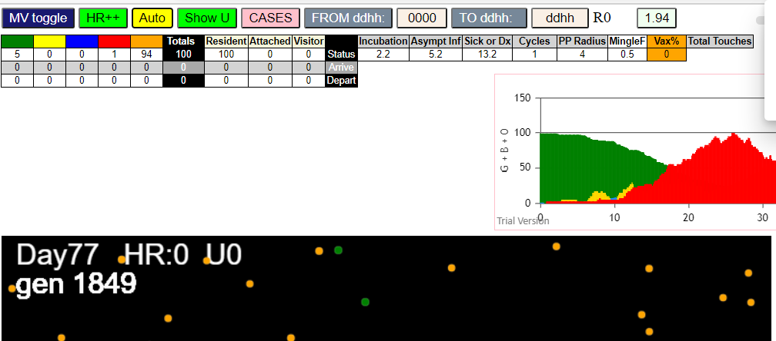
simulationRev2Vax.js:4293 | exit | covidSim
simulationRev2Vax.js:23 | getAsText | File {name: | HundredAgentsU0.csv, | lastModified: | 1599797804000, | lastModifiedDate: | Thu | Sep | 10 | 2020 | 21:16:44 | GMT-0700 | (Pacific | Daylight | Time), | webkitRelativePath: | , | size: | 2140, …}
simulationRev2Vax.js:32 | File {name: | HundredAgentsU0.csv, | lastModified: | 1599797804000, | lastModifiedDate: | Thu | Sep | 10 | 2020 | 21:16:44 | GMT-0700 | (Pacific | Daylight | Time), | webkitRelativePath: | , | size: | 2140, …}
simulationRev2Vax.js:23 | getAsText | File {name: | VL1.csv, | lastModified: | 1603760180000, | lastModifiedDate: | Mon | Oct | 26 | 2020 | 17:56:20 | GMT-0700 | (Pacific | Daylight | Time), | webkitRelativePath: | , | size: | 66, …}
simulationRev2Vax.js:32 | File {name: | VL1.csv, | lastModified: | 1603760180000, | lastModifiedDate: | Mon | Oct | 26 | 2020 | 17:56:20 | GMT-0700 | (Pacific | Daylight | Time), | webkitRelativePath: | , | size: | 66, …}
simulationRev2Vax.js:2129 | 1I | j:famKey | 20:-1 | infected | by | red | i:famKey | 10:-1 | at | gen | 61 | in | Univ0
simulationRev2Vax.js:2129 | 2I | j:famKey | 82:-1 | infected | by | red | i:famKey | 10:-1 | at | gen | 66 | in | Univ0
simulationRev2Vax.js:2146 | 3I | i:famKey | 5:-1 | infected | by | blue | j:famKey | 82:-1 | at | gen | 138 | in | U0
simulationRev2Vax.js:2146 | 4I | i:famKey | 74:-1 | infected | by | blue | j:famKey | 82:-1 | at | gen | 152 | in | U0
simulationRev2Vax.js:2146 | 5I | i:famKey | 15:-1 | infected | by | blue | j:famKey | 82:-1 | at | gen | 156 | in | U0
simulationRev2Vax.js:2129 | 6I | j:famKey | 24:-1 | infected | by | red | i:famKey | 10:-1 | at | gen | 160 | in | Univ0
simulationRev2Vax.js:2129 | 7I | j:famKey | 28:-1 | infected | by | red | i:famKey | 10:-1 | at | gen | 168 | in | Univ0
simulationRev2Vax.js:2129 | 7I | j:famKey | 31:-1 | infected | by | blue | i:famKey | 20:-1 | at | gen | 168 | in | Univ0
simulationRev2Vax.js:2146 | 9I | i:famKey | 9:-1 | infected | by | blue | j:famKey | 20:-1 | at | gen | 174 | in | U0
simulationRev2Vax.js:2146 | 10I | i:famKey | 0:-1 | infected | by | red | j:famKey | 82:-1 | at | gen | 194 | in | U0
simulationRev2Vax.js:2146 | 11I | i:famKey | 40:-1 | infected | by | red | j:famKey | 82:-1 | at | gen | 218 | in | U0
simulationRev2Vax.js:2146 | 12I | i:famKey | 7:-1 | infected | by | blue | j:famKey | 31:-1 | at | gen | 245 | in | U0
simulationRev2Vax.js:2129 | 13I | j:famKey | 86:-1 | infected | by | blue | i:famKey | 9:-1 | at | gen | 248 | in | Univ0
simulationRev2Vax.js:2146 | 13I | i:famKey | 1:-1 | infected | by | red | j:famKey | 82:-1 | at | gen | 249 | in | U0
simulationRev2Vax.js:2129 | 15I | j:famKey | 68:-1 | infected | by | blue | i:famKey | 24:-1 | at | gen | 253 | in | Univ0
simulationRev2Vax.js:2146 | 15I | i:famKey | 62:-1 | infected | by | blue | j:famKey | 74:-1 | at | gen | 254 | in | U0
simulationRev2Vax.js:2129 | 17I | j:famKey | 2:-1 | infected | by | blue | i:famKey | 0:-1 | at | gen | 266 | in | Univ0
simulationRev2Vax.js:2129 | 17I | j:famKey | 95:-1 | infected | by | blue | i:famKey | 74:-1 | at | gen | 267 | in | Univ0
simulationRev2Vax.js:2129 | 19I | j:famKey | 41:-1 | infected | by | blue | i:famKey | 15:-1 | at | gen | 275 | in | Univ0
simulationRev2Vax.js:2129 | 20I | j:famKey | 49:-1 | infected | by | red | i:famKey | 20:-1 | at | gen | 280 | in | Univ0
simulationRev2Vax.js:2146 | 21I | i:famKey | 51:-1 | infected | by | red | j:famKey | 82:-1 | at | gen | 287 | in | U0
simulationRev2Vax.js:2129 | 22I | j:famKey | 66:-1 | infected | by | yellow | i:famKey | 51:-1 | at | gen | 290 | in | Univ0
simulationRev2Vax.js:2129 | 23I | j:famKey | 39:-1 | infected | by | blue | i:famKey | 0:-1 | at | gen | 292 | in | Univ0
simulationRev2Vax.js:2129 | 24I | j:famKey | 72:-1 | infected | by | red | i:famKey | 5:-1 | at | gen | 294 | in | Univ0
simulationRev2Vax.js:2129 | 25I | j:famKey | 97:-1 | infected | by | red | i:famKey | 28:-1 | at | gen | 323 | in | Univ0
simulationRev2Vax.js:2146 | 26I | i:famKey | 35:-1 | infected | by | blue | j:famKey | 41:-1 | at | gen | 329 | in | U0
simulationRev2Vax.js:2129 | 27I | j:famKey | 27:-1 | infected | by | red | i:famKey | 0:-1 | at | gen | 334 | in | Univ0
simulationRev2Vax.js:2146 | 28I | i:famKey | 16:-1 | infected | by | red | j:famKey | 40:-1 | at | gen | 342 | in | U0
simulationRev2Vax.js:2146 | 28I | i:famKey | 22:-1 | infected | by | blue | j:famKey | 62:-1 | at | gen | 343 | in | U0
simulationRev2Vax.js:2129 | 28I | j:famKey | 75:-1 | infected | by | red | i:famKey | 24:-1 | at | gen | 343 | in | Univ0
simulationRev2Vax.js:2129 | 31I | j:famKey | 13:-1 | infected | by | blue | i:famKey | 7:-1 | at | gen | 347 | in | Univ0
simulationRev2Vax.js:2129 | 32I | j:famKey | 21:-1 | infected | by | red | i:famKey | 15:-1 | at | gen | 351 | in | Univ0
simulationRev2Vax.js:2129 | 33I | j:famKey | 44:-1 | infected | by | red | i:famKey | 15:-1 | at | gen | 363 | in | Univ0
simulationRev2Vax.js:2129 | 34I | j:famKey | 83:-1 | infected | by | blue | i:famKey | 51:-1 | at | gen | 365 | in | Univ0
simulationRev2Vax.js:2146 | 35I | i:famKey | 23:-1 | infected | by | red | j:famKey | 74:-1 | at | gen | 367 | in | U0
simulationRev2Vax.js:2146 | 36I | i:famKey | 14:-1 | infected | by | blue | j:famKey | 62:-1 | at | gen | 371 | in | U0
simulationRev2Vax.js:2146 | 37I | i:famKey | 57:-1 | infected | by | blue | j:famKey | 95:-1 | at | gen | 375 | in | U0
simulationRev2Vax.js:2129 | 38I | j:famKey | 84:-1 | infected | by | blue | i:famKey | 51:-1 | at | gen | 383 | in | Univ0
simulationRev2Vax.js:2129 | 38I | j:famKey | 70:-1 | infected | by | blue | i:famKey | 27:-1 | at | gen | 384 | in | Univ0
simulationRev2Vax.js:2146 | 38I | i:famKey | 46:-1 | infected | by | red | j:famKey | 95:-1 | at | gen | 384 | in | U0
simulationRev2Vax.js:2129 | 39I | j:famKey | 77:-1 | infected | by | red | i:famKey | 0:-1 | at | gen | 385 | in | Univ0
simulationRev2Vax.js:2129 | 42I | j:famKey | 59:-1 | infected | by | red | i:famKey | 28:-1 | at | gen | 395 | in | Univ0
simulationRev2Vax.js:2129 | 43I | j:famKey | 65:-1 | infected | by | blue | i:famKey | 27:-1 | at | gen | 406 | in | Univ0
simulationRev2Vax.js:2129 | 43I | j:famKey | 76:-1 | infected | by | red | i:famKey | 28:-1 | at | gen | 407 | in | Univ0
simulationRev2Vax.js:2129 | 45I | j:famKey | 56:-1 | infected | by | red | i:famKey | 28:-1 | at | gen | 409 | in | Univ0
simulationRev2Vax.js:2129 | 46I | j:famKey | 80:-1 | infected | by | blue | i:famKey | 27:-1 | at | gen | 417 | in | Univ0
simulationRev2Vax.js:2146 | 47I | i:famKey | 18:-1 | infected | by | red | j:famKey | 72:-1 | at | gen | 423 | in | U0
simulationRev2Vax.js:2146 | 48I | i:famKey | 32:-1 | infected | by | red | j:famKey | 72:-1 | at | gen | 427 | in | U0
simulationRev2Vax.js:2129 | 48I | j:famKey | 52:-1 | infected | by | red | i:famKey | 24:-1 | at | gen | 428 | in | Univ0
simulationRev2Vax.js:2129 | 50I | j:famKey | 87:-1 | infected | by | blue | i:famKey | 22:-1 | at | gen | 433 | in | Univ0
simulationRev2Vax.js:2129 | 51I | j:famKey | 47:-1 | infected | by | red | i:famKey | 24:-1 | at | gen | 436 | in | Univ0
simulationRev2Vax.js:2146 | 51I | i:famKey | 8:-1 | infected | by | red | j:famKey | 28:-1 | at | gen | 437 | in | U0
simulationRev2Vax.js:2129 | 53I | j:famKey | 54:-1 | infected | by | red | i:famKey | 0:-1 | at | gen | 444 | in | Univ0
simulationRev2Vax.js:2129 | 53I | j:famKey | 12:-1 | infected | by | red | i:famKey | 7:-1 | at | gen | 444 | in | Univ0
simulationRev2Vax.js:2129 | 53I | j:famKey | 90:-1 | infected | by | blue | i:famKey | 83:-1 | at | gen | 445 | in | Univ0
simulationRev2Vax.js:2146 | 56I | i:famKey | 55:-1 | infected | by | blue | j:famKey | 70:-1 | at | gen | 462 | in | U0
simulationRev2Vax.js:2146 | 57I | i:famKey | 36:-1 | infected | by | red | j:famKey | 66:-1 | at | gen | 469 | in | U0
simulationRev2Vax.js:2146 | 57I | i:famKey | 78:-1 | infected | by | red | j:famKey | 95:-1 | at | gen | 470 | in | U0
simulationRev2Vax.js:2129 | 59I | j:famKey | 92:-1 | infected | by | red | i:famKey | 13:-1 | at | gen | 478 | in | Univ0
simulationRev2Vax.js:2129 | 60I | j:famKey | 79:-1 | infected | by | red | i:famKey | 13:-1 | at | gen | 488 | in | Univ0
simulationRev2Vax.js:2146 | 60I | i:famKey | 58:-1 | infected | by | blue | j:famKey | 80:-1 | at | gen | 489 | in | U0
simulationRev2Vax.js:2129 | 62I | j:famKey | 73:-1 | infected | by | red | i:famKey | 44:-1 | at | gen | 492 | in | Univ0
simulationRev2Vax.js:2146 | 62I | i:famKey | 61:-1 | infected | by | red | j:famKey | 72:-1 | at | gen | 492 | in | U0
simulationRev2Vax.js:2129 | 62I | j:famKey | 99:-1 | infected | by | yellow | i:famKey | 12:-1 | at | gen | 493 | in | Univ0
simulationRev2Vax.js:2146 | 65I | i:famKey | 26:-1 | infected | by | yellow | j:famKey | 36:-1 | at | gen | 498 | in | U0
simulationRev2Vax.js:2146 | 66I | i:famKey | 4:-1 | infected | by | red | j:famKey | 59:-1 | at | gen | 518 | in | U0
simulationRev2Vax.js:2129 | 67I | j:famKey | 63:-1 | infected | by | red | i:famKey | 62:-1 | at | gen | 536 | in | Univ0
simulationRev2Vax.js:2129 | 68I | j:famKey | 60:-1 | infected | by | red | i:famKey | 18:-1 | at | gen | 545 | in | Univ0
simulationRev2Vax.js:2146 | 69I | i:famKey | 11:-1 | infected | by | blue | j:famKey | 26:-1 | at | gen | 551 | in | U0
simulationRev2Vax.js:2146 | 69I | i:famKey | 42:-1 | infected | by | red | j:famKey | 70:-1 | at | gen | 551 | in | U0
simulationRev2Vax.js:2129 | 71I | j:famKey | 94:-1 | infected | by | red | i:famKey | 65:-1 | at | gen | 569 | in | Univ0
simulationRev2Vax.js:2146 | 72I | i:famKey | 69:-1 | infected | by | blue | j:famKey | 79:-1 | at | gen | 574 | in | U0
simulationRev2Vax.js:2129 | 73I | j:famKey | 17:-1 | infected | by | red | i:famKey | 16:-1 | at | gen | 576 | in | Univ0
simulationRev2Vax.js:2146 | 73I | i:famKey | 17:-1 | infected | by | blue | j:famKey | 79:-1 | at | gen | 576 | in | U0
simulationRev2Vax.js:2129 | 74I | j:famKey | 98:-1 | infected | by | red | i:famKey | 75:-1 | at | gen | 592 | in | Univ0
simulationRev2Vax.js:2146 | 75I | i:famKey | 33:-1 | infected | by | red | j:famKey | 55:-1 | at | gen | 604 | in | U0
simulationRev2Vax.js:2146 | 76I | i:famKey | 34:-1 | infected | by | red | j:famKey | 65:-1 | at | gen | 617 | in | U0
simulationRev2Vax.js:2146 | 76I | i:famKey | 19:-1 | infected | by | red | j:famKey | 77:-1 | at | gen | 618 | in | U0
simulationRev2Vax.js:2129 | 78I | j:famKey | 64:-1 | infected | by | red | i:famKey | 44:-1 | at | gen | 622 | in | Univ0
simulationRev2Vax.js:2146 | 79I | i:famKey | 48:-1 | infected | by | red | j:famKey | 92:-1 | at | gen | 634 | in | U0
simulationRev2Vax.js:2129 | 80I | j:famKey | 67:-1 | infected | by | red | i:famKey | 32:-1 | at | gen | 646 | in | Univ0
simulationRev2Vax.js:2146 | 81I | i:famKey | 37:-1 | infected | by | red | j:famKey | 92:-1 | at | gen | 659 | in | U0
simulationRev2Vax.js:2129 | 82I | j:famKey | 85:-1 | infected | by | red | i:famKey | 12:-1 | at | gen | 661 | in | Univ0
simulationRev2Vax.js:2129 | 83I | j:famKey | 91:-1 | infected | by | red | i:famKey | 79:-1 | at | gen | 689 | in | Univ0
simulationRev2Vax.js:2129 | 84I | j:famKey | 88:-1 | infected | by | red | i:famKey | 79:-1 | at | gen | 716 | in | Univ0
simulationRev2Vax.js:2146 | 85I | i:famKey | 6:-1 | infected | by | red | j:famKey | 63:-1 | at | gen | 730 | in | U0
simulationRev2Vax.js:2146 | 86I | i:famKey | 45:-1 | infected | by | red | j:famKey | 73:-1 | at | gen | 742 | in | U0
simulationRev2Vax.js:2129 | 87I | j:famKey | 25:-1 | infected | by | red | i:famKey | 19:-1 | at | gen | 769 | in | Univ0
simulationRev2Vax.js:2146 | 88I | i:famKey | 3:-1 | infected | by | blue | j:famKey | 91:-1 | at | gen | 801 | in | U0
simulationRev2Vax.js:2146 | 89I | i:famKey | 93:-1 | infected | by | red | j:famKey | 94:-1 | at | gen | 839 | in | U0
simulationRev2Vax.js:2146 | 90I | i:famKey | 29:-1 | infected | by | red | j:famKey | 93:-1 | at | gen | 1076 | in | U0
simulationRev2Vax.js:2129 | 91I | j:famKey | 81:-1 | infected | by | blue | i:famKey | 29:-1 | at | gen | 1167 | in | Univ0
simulationRev2Vax.js:2146 | 92I | i:famKey | 30:-1 | infected | by | red | j:famKey | 81:-1 | at | gen | 1368 | in | U0
simulationRev2Vax.js:2129 | 93I | j:famKey | 50:-1 | infected | by | red | i:famKey | 30:-1 | at | gen | 1496 | in | Univ0
simulationRev2Vax.js:2129 | 94I | j:famKey | 89:-1 | infected | by | red | i:famKey | 30:-1 | at | gen | 1534 | in | Univ0

mode 1,50
simulationRev2Vax.js:4293 | exit | covidSim
simulationRev2Vax.js:23 | getAsText | File {name: | HundredAgentsU0.csv, | lastModified: | 1599797804000, | lastModifiedDate: | Thu | Sep | 10 | 2020 | 21:16:44 | GMT-0700 | (Pacific | Daylight | Time), | webkitRelativePath: | , | size: | 2140, …}
simulationRev2Vax.js:32 | File {name: | HundredAgentsU0.csv, | lastModified: | 1599797804000, | lastModifiedDate: | Thu | Sep | 10 | 2020 | 21:16:44 | GMT-0700 | (Pacific | Daylight | Time), | webkitRelativePath: | , | size: | 2140, …}
simulationRev2Vax.js:23 | getAsText | File {name: | VL1.csv, | lastModified: | 1603760180000, | lastModifiedDate: | Mon | Oct | 26 | 2020 | 17:56:20 | GMT-0700 | (Pacific | Daylight | Time), | webkitRelativePath: | , | size: | 66, …}
simulationRev2Vax.js:32 | File {name: | VL1.csv, | lastModified: | 1603760180000, | lastModifiedDate: | Mon | Oct | 26 | 2020 | 17:56:20 | GMT-0700 | (Pacific | Daylight | Time), | webkitRelativePath: | , | size: | 66, …}
simulationRev2Vax.js:1674 | (100) [0, | 1, | 2, | 3, | 4, | 5, | 6, | 7, | 8, | 9, | 10, | 11, | 12, | 13, | 14, | 15, | 16, | 17, | 18, | 19, | 20, | 21, | 22, | 23, | 24, | 25, | 26, | 27, | 28, | 29, | 30, | 31, | 32, | 33, | 34, | 35, | 36, | 37, | 38, | 39, | 40, | 41, | 42, | 43, | 44, | 45, | 46, | 47, | 48, | 49, | 50, | 51, | 52, | 53, | 54, | 55, | 56, | 57, | 58, | 59, | 60, | 61, | 62, | 63, | 64, | 65, | 66, | 67, | 68, | 69, | 70, | 71, | 72, | 73, | 74, | 75, | 76, | 77, | 78, | 79, | 80, | 81, | 82, | 83, | 84, | 85, | 86, | 87, | 88, | 89, | 90, | 91, | 92, | 93, | 94, | 95, | 96, | 97, | 98, | 99]
simulationRev2Vax.js:1684 | (99) [0, | 1, | 2, | 3, | 4, | 5, | 6, | 7, | 8, | 9, | 11, | 12, | 13, | 14, | 15, | 16, | 17, | 18, | 19, | 20, | 21, | 22, | 23, | 24, | 25, | 26, | 27, | 28, | 29, | 30, | 31, | 32, | 33, | 34, | 35, | 36, | 37, | 38, | 39, | 40, | 41, | 42, | 43, | 44, | 45, | 46, | 47, | 48, | 49, | 50, | 51, | 52, | 53, | 54, | 55, | 56, | 57, | 58, | 59, | 60, | 61, | 62, | 63, | 64, | 65, | 66, | 67, | 68, | 69, | 70, | 71, | 72, | 73, | 74, | 75, | 76, | 77, | 78, | 79, | 80, | 81, | 82, | 83, | 84, | 85, | 86, | 87, | 88, | 89, | 90, | 91, | 92, | 93, | 94, | 95, | 96, | 97, | 98, | 99]
simulationRev2Vax.js:1712 | Vaccination | list | = | 49
simulationRev2Vax.js:1726 | vaccinated | 95,75,21,46,43,25,63,62,64,67,13,27,34,54,72,76,49,36,24,4,74,9,57,45,17,16,44,5,65,84,96,87,78,8,66,90,7,11,22,79,58,35,68,92,29,91,86,23,98
simulationRev2Vax.js:2129 | 1I | j:famKey | 71:-1 | infected | by | red | i:famKey | 10:-1 | at | gen | 26 | in | Univ0
simulationRev2Vax.js:2146 | 2I | i:famKey | 3:-1 | infected | by | red | j:famKey | 10:-1 | at | gen | 48 | in | U0
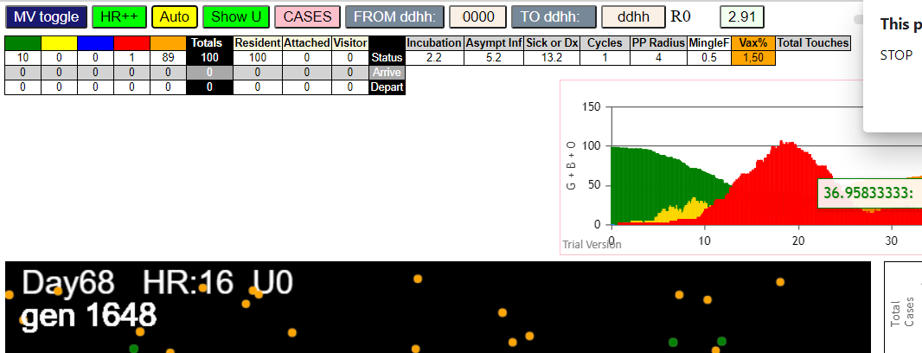
simulationRev2Vax.js:2129 | 3I | j:famKey | 19:-1 | infected | by | red | i:famKey | 10:-1 | at | gen | 85 | in | Univ0
simulationRev2Vax.js:2129 | 4I | j:famKey | 77:-1 | infected | by | red | i:famKey | 10:-1 | at | gen | 100 | in | Univ0
simulationRev2Vax.js:2129 | 5I | j:famKey | 89:-1 | infected | by | blue | i:famKey | 71:-1 | at | gen | 110 | in | Univ0
simulationRev2Vax.js:2146 | 5I | i:famKey | 22:-1 | infected | by | blue | j:famKey | 71:-1 | at | gen | 111 | in | U0
simulationRev2Vax.js:2129 | 7I | j:famKey | 42:-1 | infected | by | blue | i:famKey | 3:-1 | at | gen | 118 | in | Univ0
simulationRev2Vax.js:2129 | 7I | j:famKey | 84:-1 | infected | by | blue | i:famKey | 3:-1 | at | gen | 119 | in | Univ0
simulationRev2Vax.js:2129 | 9I | j:famKey | 76:-1 | infected | by | blue | i:famKey | 71:-1 | at | gen | 128 | in | Univ0
simulationRev2Vax.js:2129 | 10I | j:famKey | 72:-1 | infected | by | red | i:famKey | 10:-1 | at | gen | 130 | in | Univ0
simulationRev2Vax.js:2129 | 11I | j:famKey | 23:-1 | infected | by | blue | i:famKey | 3:-1 | at | gen | 145 | in | Univ0
simulationRev2Vax.js:2129 | 11I | j:famKey | 97:-1 | infected | by | blue | i:famKey | 71:-1 | at | gen | 145 | in | Univ0
simulationRev2Vax.js:2129 | 13I | j:famKey | 48:-1 | infected | by | yellow | i:famKey | 23:-1 | at | gen | 148 | in | Univ0
simulationRev2Vax.js:2129 | 14I | j:famKey | 65:-1 | infected | by | red | i:famKey | 10:-1 | at | gen | 165 | in | Univ0
simulationRev2Vax.js:2129 | 14I | j:famKey | 92:-1 | infected | by | blue | i:famKey | 19:-1 | at | gen | 165 | in | Univ0
simulationRev2Vax.js:2129 | 16I | j:famKey | 53:-1 | infected | by | blue | i:famKey | 19:-1 | at | gen | 173 | in | Univ0
simulationRev2Vax.js:2146 | 17I | i:famKey | 25:-1 | infected | by | blue | j:famKey | 76:-1 | at | gen | 181 | in | U0
simulationRev2Vax.js:2146 | 18I | i:famKey | 50:-1 | infected | by | red | j:famKey | 71:-1 | at | gen | 184 | in | U0
simulationRev2Vax.js:2129 | 19I | j:famKey | 26:-1 | infected | by | blue | i:famKey | 19:-1 | at | gen | 186 | in | Univ0
simulationRev2Vax.js:2146 | 20I | i:famKey | 2:-1 | infected | by | blue | j:famKey | 42:-1 | at | gen | 188 | in | U0
simulationRev2Vax.js:2146 | 21I | i:famKey | 17:-1 | infected | by | red | j:famKey | 71:-1 | at | gen | 194 | in | U0
simulationRev2Vax.js:2146 | 22I | i:famKey | 55:-1 | infected | by | blue | j:famKey | 89:-1 | at | gen | 196 | in | U0
simulationRev2Vax.js:2146 | 22I | i:famKey | 74:-1 | infected | by | blue | j:famKey | 84:-1 | at | gen | 197 | in | U0
simulationRev2Vax.js:2146 | 24I | i:famKey | 44:-1 | infected | by | blue | j:famKey | 77:-1 | at | gen | 199 | in | U0
simulationRev2Vax.js:2129 | 25I | j:famKey | 82:-1 | infected | by | blue | i:famKey | 42:-1 | at | gen | 204 | in | Univ0
simulationRev2Vax.js:2129 | 26I | j:famKey | 27:-1 | infected | by | red | i:famKey | 19:-1 | at | gen | 206 | in | Univ0
simulationRev2Vax.js:2146 | 27I | i:famKey | 29:-1 | infected | by | blue | j:famKey | 84:-1 | at | gen | 208 | in | U0
simulationRev2Vax.js:2146 | 28I | i:famKey | 21:-1 | infected | by | blue | j:famKey | 72:-1 | at | gen | 226 | in | U0
simulationRev2Vax.js:2146 | 29I | i:famKey | 1:-1 | infected | by | red | j:famKey | 42:-1 | at | gen | 236 | in | U0
simulationRev2Vax.js:2129 | 29I | j:famKey | 66:-1 | infected | by | blue | i:famKey | 65:-1 | at | gen | 237 | in | Univ0
simulationRev2Vax.js:2129 | 31I | j:famKey | 40:-1 | infected | by | yellow | i:famKey | 29:-1 | at | gen | 241 | in | Univ0
simulationRev2Vax.js:2129 | 32I | j:famKey | 98:-1 | infected | by | red | i:famKey | 76:-1 | at | gen | 247 | in | Univ0
simulationRev2Vax.js:2129 | 33I | j:famKey | 87:-1 | infected | by | blue | i:famKey | 55:-1 | at | gen | 251 | in | Univ0
simulationRev2Vax.js:2129 | 34I | j:famKey | 96:-1 | infected | by | red | i:famKey | 42:-1 | at | gen | 256 | in | Univ0
simulationRev2Vax.js:2146 | 35I | i:famKey | 35:-1 | infected | by | blue | j:famKey | 74:-1 | at | gen | 259 | in | U0
simulationRev2Vax.js:2146 | 36I | i:famKey | 15:-1 | infected | by | blue | j:famKey | 29:-1 | at | gen | 264 | in | U0
simulationRev2Vax.js:2146 | 37I | i:famKey | 12:-1 | infected | by | yellow | j:famKey | 15:-1 | at | gen | 272 | in | U0
simulationRev2Vax.js:2146 | 37I | i:famKey | 45:-1 | infected | by | blue | j:famKey | 65:-1 | at | gen | 272 | in | U0
simulationRev2Vax.js:2146 | 37I | i:famKey | 37:-1 | infected | by | red | j:famKey | 84:-1 | at | gen | 273 | in | U0
simulationRev2Vax.js:2129 | 40I | j:famKey | 5:-1 | infected | by | blue | i:famKey | 2:-1 | at | gen | 276 | in | Univ0
simulationRev2Vax.js:2146 | 41I | i:famKey | 9:-1 | infected | by | blue | j:famKey | 92:-1 | at | gen | 280 | in | U0
simulationRev2Vax.js:2129 | 42I | j:famKey | 46:-1 | infected | by | red | i:famKey | 22:-1 | at | gen | 293 | in | Univ0
simulationRev2Vax.js:2129 | 42I | j:famKey | 91:-1 | infected | by | blue | i:famKey | 2:-1 | at | gen | 294 | in | Univ0
simulationRev2Vax.js:2146 | 42I | i:famKey | 39:-1 | infected | by | red | j:famKey | 65:-1 | at | gen | 294 | in | U0
simulationRev2Vax.js:2146 | 42I | i:famKey | 73:-1 | infected | by | blue | j:famKey | 74:-1 | at | gen | 294 | in | U0
simulationRev2Vax.js:2146 | 46I | i:famKey | 24:-1 | infected | by | red | j:famKey | 42:-1 | at | gen | 296 | in | U0
simulationRev2Vax.js:2129 | 47I | j:famKey | 86:-1 | infected | by | blue | i:famKey | 74:-1 | at | gen | 306 | in | Univ0
simulationRev2Vax.js:2146 | 47I | i:famKey | 78:-1 | infected | by | red | j:famKey | 92:-1 | at | gen | 307 | in | U0
simulationRev2Vax.js:2129 | 49I | j:famKey | 93:-1 | infected | by | red | i:famKey | 48:-1 | at | gen | 311 | in | Univ0
simulationRev2Vax.js:2129 | 50I | j:famKey | 41:-1 | infected | by | red | i:famKey | 23:-1 | at | gen | 314 | in | Univ0
simulationRev2Vax.js:2129 | 51I | j:famKey | 88:-1 | infected | by | blue | i:famKey | 82:-1 | at | gen | 317 | in | Univ0
simulationRev2Vax.js:2146 | 51I | i:famKey | 4:-1 | infected | by | red | j:famKey | 77:-1 | at | gen | 318 | in | U0
simulationRev2Vax.js:2129 | 53I | j:famKey | 11:-1 | infected | by | red | i:famKey | 3:-1 | at | gen | 323 | in | Univ0
simulationRev2Vax.js:2146 | 54I | i:famKey | 36:-1 | infected | by | blue | j:famKey | 40:-1 | at | gen | 333 | in | U0
simulationRev2Vax.js:2129 | 55I | j:famKey | 80:-1 | infected | by | red | i:famKey | 72:-1 | at | gen | 337 | in | Univ0
simulationRev2Vax.js:2129 | 55I | j:famKey | 54:-1 | infected | by | red | i:famKey | 42:-1 | at | gen | 338 | in | Univ0
simulationRev2Vax.js:2129 | 57I | j:famKey | 68:-1 | infected | by | blue | i:famKey | 35:-1 | at | gen | 354 | in | Univ0
simulationRev2Vax.js:2146 | 58I | i:famKey | 30:-1 | infected | by | red | j:famKey | 74:-1 | at | gen | 383 | in | U0
simulationRev2Vax.js:2129 | 59I | j:famKey | 43:-1 | infected | by | red | i:famKey | 25:-1 | at | gen | 449 | in | Univ0
simulationRev2Vax.js:2146 | 60I | i:famKey | 13:-1 | infected | by | red | j:famKey | 41:-1 | at | gen | 487 | in | U0
simulationRev2Vax.js:2146 | 61I | i:famKey | 32:-1 | infected | by | red | j:famKey | 73:-1 | at | gen | 507 | in | U0
simulationRev2Vax.js:2146 | 62I | i:famKey | 34:-1 | infected | by | red | j:famKey | 93:-1 | at | gen | 511 | in | U0
simulationRev2Vax.js:2129 | 63I | j:famKey | 52:-1 | infected | by | red | i:famKey | 30:-1 | at | gen | 541 | in | Univ0
simulationRev2Vax.js:2129 | 64I | j:famKey | 16:-1 | infected | by | red | i:famKey | 4:-1 | at | gen | 550 | in | Univ0
simulationRev2Vax.js:2146 | 65I | i:famKey | 62:-1 | infected | by | red | j:famKey | 88:-1 | at | gen | 563 | in | U0
simulationRev2Vax.js:2129 | 66I | j:famKey | 83:-1 | infected | by | red | i:famKey | 30:-1 | at | gen | 570 | in | Univ0
simulationRev2Vax.js:2129 | 67I | j:famKey | 47:-1 | infected | by | red | i:famKey | 4:-1 | at | gen | 596 | in | Univ0
simulationRev2Vax.js:2146 | 68I | i:famKey | 14:-1 | infected | by | red | j:famKey | 32:-1 | at | gen | 634 | in | U0
simulationRev2Vax.js:2129 | 69I | j:famKey | 90:-1 | infected | by | blue | i:famKey | 47:-1 | at | gen | 713 | in | Univ0
simulationRev2Vax.js:2129 | 70I | j:famKey | 18:-1 | infected | by | blue | i:famKey | 14:-1 | at | gen | 740 | in | Univ0
simulationRev2Vax.js:2129 | 71I | j:famKey | 70:-1 | infected | by | red | i:famKey | 16:-1 | at | gen | 767 | in | Univ0
simulationRev2Vax.js:2129 | 72I | j:famKey | 61:-1 | infected | by | red | i:famKey | 34:-1 | at | gen | 782 | in | Univ0
simulationRev2Vax.js:2129 | 73I | j:famKey | 67:-1 | infected | by | red | i:famKey | 47:-1 | at | gen | 787 | in | Univ0
simulationRev2Vax.js:2129 | 74I | j:famKey | 57:-1 | infected | by | red | i:famKey | 34:-1 | at | gen | 794 | in | Univ0
simulationRev2Vax.js:2129 | 75I | j:famKey | 31:-1 | infected | by | blue | i:famKey | 18:-1 | at | gen | 844 | in | Univ0
simulationRev2Vax.js:2146 | 76I | i:famKey | 38:-1 | infected | by | blue | j:famKey | 57:-1 | at | gen | 912 | in | U0
simulationRev2Vax.js:2146 | 77I | i:famKey | 28:-1 | infected | by | red | j:famKey | 70:-1 | at | gen | 985 | in | U0
simulationRev2Vax.js:2146 | 78I | i:famKey | 6:-1 | infected | by | red | j:famKey | 61:-1 | at | gen | 1014 | in | U0
simulationRev2Vax.js:2146 | 79I | i:famKey | 60:-1 | infected | by | red | j:famKey | 61:-1 | at | gen | 1029 | in | U0
simulationRev2Vax.js:2129 | 80I | j:famKey | 69:-1 | infected | by | red | i:famKey | 38:-1 | at | gen | 1052 | in | Univ0
simulationRev2Vax.js:2129 | 81I | j:famKey | 59:-1 | infected | by | red | i:famKey | 38:-1 | at | gen | 1058 | in | Univ0
simulationRev2Vax.js:2146 | 82I | i:famKey | 51:-1 | infected | by | red | j:famKey | 57:-1 | at | gen | 1081 | in | U0
simulationRev2Vax.js:2146 | 83I | i:famKey | 20:-1 | infected | by | blue | j:famKey | 59:-1 | at | gen | 1126 | in | U0
simulationRev2Vax.js:2146 | 84I | i:famKey | 7:-1 | infected | by | red | j:famKey | 28:-1 | at | gen | 1131 | in | U0
simulationRev2Vax.js:2129 | 85I | j:famKey | 75:-1 | infected | by | blue | i:famKey | 59:-1 | at | gen | 1149 | in | Univ0
simulationRev2Vax.js:2129 | 86I | j:famKey | 81:-1 | infected | by | blue | i:famKey | 51:-1 | at | gen | 1161 | in | Univ0
simulationRev2Vax.js:2146 | 87I | i:famKey | 0:-1 | infected | by | red | j:famKey | 59:-1 | at | gen | 1197 | in | U0
simulationRev2Vax.js:2129 | 88I | j:famKey | 33:-1 | infected | by | blue | i:famKey | 0:-1 | at | gen | 1288 | in | Univ0
simulationRev2Vax.js:2146 | 89I | i:famKey | 58:-1 | infected | by | red | j:famKey | 69:-1 | at | gen | 1340 | in | U0

mode2,25
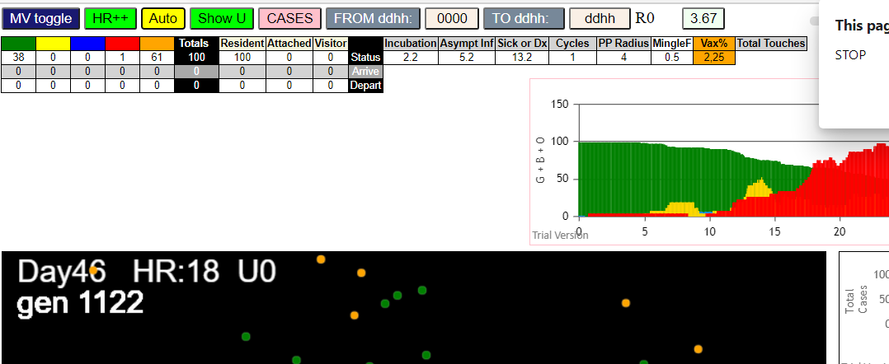
simulationRev2Vax.js:4293 | exit | covidSim
simulationRev2Vax.js:23 | getAsText | File {name: | HundredAgentsU0.csv, | lastModified: | 1599797804000, | lastModifiedDate: | Thu | Sep | 10 | 2020 | 21:16:44 | GMT-0700 | (Pacific | Daylight | Time), | webkitRelativePath: | , | size: | 2140, …}
simulationRev2Vax.js:32 | File {name: | HundredAgentsU0.csv, | lastModified: | 1599797804000, | lastModifiedDate: | Thu | Sep | 10 | 2020 | 21:16:44 | GMT-0700 | (Pacific | Daylight | Time), | webkitRelativePath: | , | size: | 2140, …}
simulationRev2Vax.js:23 | getAsText | File {name: | VL1.csv, | lastModified: | 1603760180000, | lastModifiedDate: | Mon | Oct | 26 | 2020 | 17:56:20 | GMT-0700 | (Pacific | Daylight | Time), | webkitRelativePath: | , | size: | 66, …}
simulationRev2Vax.js:32 | File {name: | VL1.csv, | lastModified: | 1603760180000, | lastModifiedDate: | Mon | Oct | 26 | 2020 | 17:56:20 | GMT-0700 | (Pacific | Daylight | Time), | webkitRelativePath: | , | size: | 66, …}
simulationRev2Vax.js:1674 | (100) [0, | 1, | 2, | 3, | 4, | 5, | 6, | 7, | 8, | 9, | 10, | 11, | 12, | 13, | 14, | 15, | 16, | 17, | 18, | 19, | 20, | 21, | 22, | 23, | 24, | 25, | 26, | 27, | 28, | 29, | 30, | 31, | 32, | 33, | 34, | 35, | 36, | 37, | 38, | 39, | 40, | 41, | 42, | 43, | 44, | 45, | 46, | 47, | 48, | 49, | 50, | 51, | 52, | 53, | 54, | 55, | 56, | 57, | 58, | 59, | 60, | 61, | 62, | 63, | 64, | 65, | 66, | 67, | 68, | 69, | 70, | 71, | 72, | 73, | 74, | 75, | 76, | 77, | 78, | 79, | 80, | 81, | 82, | 83, | 84, | 85, | 86, | 87, | 88, | 89, | 90, | 91, | 92, | 93, | 94, | 95, | 96, | 97, | 98, | 99]
simulationRev2Vax.js:1684 | (99) [0, | 1, | 2, | 3, | 4, | 5, | 6, | 7, | 8, | 9, | 11, | 12, | 13, | 14, | 15, | 16, | 17, | 18, | 19, | 20, | 21, | 22, | 23, | 24, | 25, | 26, | 27, | 28, | 29, | 30, | 31, | 32, | 33, | 34, | 35, | 36, | 37, | 38, | 39, | 40, | 41, | 42, | 43, | 44, | 45, | 46, | 47, | 48, | 49, | 50, | 51, | 52, | 53, | 54, | 55, | 56, | 57, | 58, | 59, | 60, | 61, | 62, | 63, | 64, | 65, | 66, | 67, | 68, | 69, | 70, | 71, | 72, | 73, | 74, | 75, | 76, | 77, | 78, | 79, | 80, | 81, | 82, | 83, | 84, | 85, | 86, | 87, | 88, | 89, | 90, | 91, | 92, | 93, | 94, | 95, | 96, | 97, | 98, | 99]
simulationRev2Vax.js:1712 | Vaccination | list | = | 24
simulationRev2Vax.js:1726 | vaccinated | 33,14,58,64,27,73,40,48,11,42,69,23,84,72,26,16,94,59,67,49,99,61,97,68
simulationRev2Vax.js:2129 | 1I | j:famKey | 96:-1 | infected | by | red | i:famKey | 10:-1 | at | gen | 117 | in | Univ0
simulationRev2Vax.js:2129 | 2I | j:famKey | 19:-1 | infected | by | red | i:famKey | 10:-1 | at | gen | 130 | in | Univ0
simulationRev2Vax.js:2129 | 3I | j:famKey | 85:-1 | infected | by | red | i:famKey | 10:-1 | at | gen | 158 | in | Univ0
simulationRev2Vax.js:2129 | 4I | j:famKey | 80:-1 | infected | by | red | i:famKey | 10:-1 | at | gen | 162 | in | Univ0
simulationRev2Vax.js:2129 | 5I | j:famKey | 73:-1 | infected | by | red | i:famKey | 10:-1 | at | gen | 166 | in | Univ0
simulationRev2Vax.js:2129 | 5I | j:famKey | 91:-1 | infected | by | red | i:famKey | 10:-1 | at | gen | 166 | in | Univ0
simulationRev2Vax.js:2129 | 7I | j:famKey | 33:-1 | infected | by | red | i:famKey | 10:-1 | at | gen | 181 | in | Univ0
simulationRev2Vax.js:2146 | 8I | i:famKey | 11:-1 | infected | by | blue | j:famKey | 85:-1 | at | gen | 234 | in | U0
simulationRev2Vax.js:2129 | 9I | j:famKey | 89:-1 | infected | by | blue | i:famKey | 85:-1 | at | gen | 245 | in | Univ0
simulationRev2Vax.js:2146 | 10I | i:famKey | 62:-1 | infected | by | blue | j:famKey | 80:-1 | at | gen | 277 | in | U0
simulationRev2Vax.js:2129 | 11I | j:famKey | 93:-1 | infected | by | red | i:famKey | 91:-1 | at | gen | 284 | in | Univ0
simulationRev2Vax.js:2146 | 12I | i:famKey | 75:-1 | infected | by | red | j:famKey | 85:-1 | at | gen | 288 | in | U0
simulationRev2Vax.js:2146 | 13I | i:famKey | 61:-1 | infected | by | red | j:famKey | 73:-1 | at | gen | 290 | in | U0
simulationRev2Vax.js:2146 | 14I | i:famKey | 37:-1 | infected | by | red | j:famKey | 96:-1 | at | gen | 295 | in | U0
simulationRev2Vax.js:2146 | 15I | i:famKey | 70:-1 | infected | by | red | j:famKey | 91:-1 | at | gen | 301 | in | U0
simulationRev2Vax.js:2146 | 15I | i:famKey | 44:-1 | infected | by | red | j:famKey | 91:-1 | at | gen | 302 | in | U0
simulationRev2Vax.js:2129 | 17I | j:famKey | 68:-1 | infected | by | red | i:famKey | 19:-1 | at | gen | 305 | in | Univ0
simulationRev2Vax.js:2129 | 18I | j:famKey | 84:-1 | infected | by | blue | i:famKey | 11:-1 | at | gen | 307 | in | Univ0
simulationRev2Vax.js:2146 | 18I | i:famKey | 57:-1 | infected | by | red | j:famKey | 73:-1 | at | gen | 308 | in | U0
simulationRev2Vax.js:2146 | 19I | i:famKey | 31:-1 | infected | by | red | j:famKey | 96:-1 | at | gen | 309 | in | U0
simulationRev2Vax.js:2146 | 21I | i:famKey | 64:-1 | infected | by | blue | j:famKey | 89:-1 | at | gen | 319 | in | U0
simulationRev2Vax.js:2146 | 22I | i:famKey | 17:-1 | infected | by | red | j:famKey | 73:-1 | at | gen | 326 | in | U0
simulationRev2Vax.js:2129 | 23I | j:famKey | 94:-1 | infected | by | blue | i:famKey | 11:-1 | at | gen | 331 | in | Univ0
simulationRev2Vax.js:2129 | 24I | j:famKey | 22:-1 | infected | by | red | i:famKey | 19:-1 | at | gen | 335 | in | Univ0
simulationRev2Vax.js:2146 | 25I | i:famKey | 29:-1 | infected | by | red | j:famKey | 96:-1 | at | gen | 356 | in | U0
simulationRev2Vax.js:2129 | 26I | j:famKey | 81:-1 | infected | by | red | i:famKey | 73:-1 | at | gen | 370 | in | Univ0
simulationRev2Vax.js:2129 | 27I | j:famKey | 90:-1 | infected | by | red | i:famKey | 73:-1 | at | gen | 375 | in | Univ0
simulationRev2Vax.js:2129 | 27I | j:famKey | 98:-1 | infected | by | red | i:famKey | 85:-1 | at | gen | 375 | in | Univ0
simulationRev2Vax.js:2129 | 27I | j:famKey | 72:-1 | infected | by | red | i:famKey | 19:-1 | at | gen | 376 | in | Univ0
simulationRev2Vax.js:2146 | 30I | i:famKey | 49:-1 | infected | by | blue | j:famKey | 75:-1 | at | gen | 382 | in | U0
simulationRev2Vax.js:2146 | 31I | i:famKey | 15:-1 | infected | by | blue | j:famKey | 57:-1 | at | gen | 398 | in | U0
simulationRev2Vax.js:2129 | 32I | j:famKey | 78:-1 | infected | by | blue | i:famKey | 31:-1 | at | gen | 417 | in | Univ0
simulationRev2Vax.js:2146 | 33I | i:famKey | 4:-1 | infected | by | blue | j:famKey | 68:-1 | at | gen | 427 | in | U0
simulationRev2Vax.js:2146 | 34I | i:famKey | 34:-1 | infected | by | red | j:famKey | 75:-1 | at | gen | 431 | in | U0
simulationRev2Vax.js:2146 | 35I | i:famKey | 50:-1 | infected | by | blue | j:famKey | 72:-1 | at | gen | 460 | in | U0
simulationRev2Vax.js:2146 | 36I | i:famKey | 2:-1 | infected | by | red | j:famKey | 94:-1 | at | gen | 475 | in | U0
simulationRev2Vax.js:2146 | 37I | i:famKey | 24:-1 | infected | by | red | j:famKey | 29:-1 | at | gen | 481 | in | U0
simulationRev2Vax.js:2146 | 38I | i:famKey | 1:-1 | infected | by | red | j:famKey | 75:-1 | at | gen | 485 | in | U0
simulationRev2Vax.js:2146 | 39I | i:famKey | 69:-1 | infected | by | red | j:famKey | 70:-1 | at | gen | 491 | in | U0
simulationRev2Vax.js:2129 | 39I | j:famKey | 87:-1 | infected | by | yellow | i:famKey | 69:-1 | at | gen | 492 | in | Univ0
simulationRev2Vax.js:2129 | 41I | j:famKey | 59:-1 | infected | by | red | i:famKey | 11:-1 | at | gen | 503 | in | Univ0
simulationRev2Vax.js:2146 | 41I | i:famKey | 56:-1 | infected | by | blue | j:famKey | 78:-1 | at | gen | 504 | in | U0
simulationRev2Vax.js:2129 | 43I | j:famKey | 48:-1 | infected | by | blue | i:famKey | 34:-1 | at | gen | 527 | in | Univ0
simulationRev2Vax.js:2129 | 44I | j:famKey | 46:-1 | infected | by | blue | i:famKey | 2:-1 | at | gen | 529 | in | Univ0
simulationRev2Vax.js:2146 | 45I | i:famKey | 43:-1 | infected | by | red | j:famKey | 57:-1 | at | gen | 537 | in | U0
simulationRev2Vax.js:2129 | 46I | j:famKey | 86:-1 | infected | by | red | i:famKey | 68:-1 | at | gen | 541 | in | Univ0
simulationRev2Vax.js:2146 | 47I | i:famKey | 27:-1 | infected | by | red | j:famKey | 78:-1 | at | gen | 548 | in | U0
simulationRev2Vax.js:2129 | 47I | j:famKey | 52:-1 | infected | by | blue | i:famKey | 50:-1 | at | gen | 549 | in | Univ0
simulationRev2Vax.js:2129 | 49I | j:famKey | 3:-1 | infected | by | blue | i:famKey | 1:-1 | at | gen | 561 | in | Univ0
simulationRev2Vax.js:2146 | 50I | i:famKey | 8:-1 | infected | by | blue | j:famKey | 56:-1 | at | gen | 570 | in | U0
simulationRev2Vax.js:2146 | 51I | i:famKey | 45:-1 | infected | by | red | j:famKey | 78:-1 | at | gen | 584 | in | U0
simulationRev2Vax.js:2146 | 52I | i:famKey | 53:-1 | infected | by | blue | j:famKey | 59:-1 | at | gen | 596 | in | U0
simulationRev2Vax.js:2129 | 53I | j:famKey | 66:-1 | infected | by | blue | i:famKey | 56:-1 | at | gen | 604 | in | Univ0
simulationRev2Vax.js:2129 | 54I | j:famKey | 83:-1 | infected | by | red | i:famKey | 72:-1 | at | gen | 613 | in | Univ0
simulationRev2Vax.js:2129 | 55I | j:famKey | 54:-1 | infected | by | blue | i:famKey | 46:-1 | at | gen | 624 | in | Univ0
simulationRev2Vax.js:2129 | 56I | j:famKey | 82:-1 | infected | by | red | i:famKey | 15:-1 | at | gen | 643 | in | Univ0
simulationRev2Vax.js:2146 | 57I | i:famKey | 71:-1 | infected | by | blue | j:famKey | 86:-1 | at | gen | 654 | in | U0
simulationRev2Vax.js:2146 | 58I | i:famKey | 25:-1 | infected | by | red | j:famKey | 27:-1 | at | gen | 678 | in | U0
simulationRev2Vax.js:2129 | 59I | j:famKey | 36:-1 | infected | by | yellow | i:famKey | 25:-1 | at | gen | 685 | in | Univ0
simulationRev2Vax.js:2129 | 60I | j:famKey | 74:-1 | infected | by | red | i:famKey | 43:-1 | at | gen | 695 | in | Univ0
simulationRev2Vax.js:2146 | 61I | i:famKey | 5:-1 | infected | by | red | j:famKey | 71:-1 | at | gen | 835 | in | U0

mode1,50-2
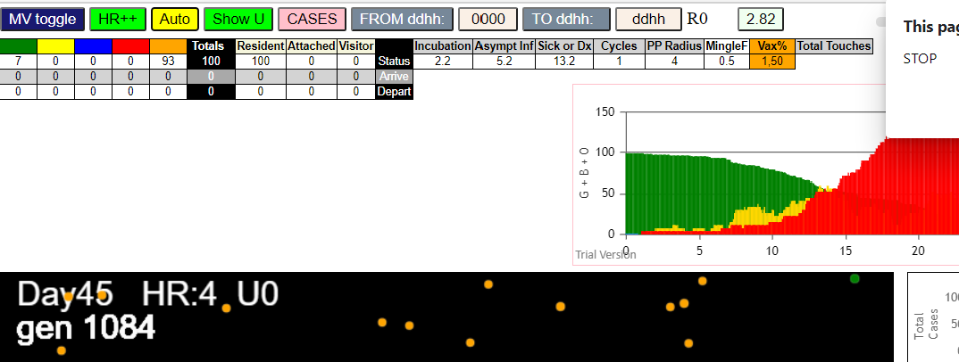
simulationRev2Vax.js:4297 | exit | covidSim
simulationRev2Vax.js:23 | getAsText | File {name: | HundredAgentsU0.csv | lastModified: | 1599797804000 | lastModifiedDate: | Thu | Sep | 10 | 2020 | 21:16:44 | GMT-0700 | (Pacific | Daylight | Time) | webkitRelativePath: |  | size: | 2140 | …}
simulationRev2Vax.js:32 | File {name: | HundredAgentsU0.csv | lastModified: | 1599797804000 | lastModifiedDate: | Thu | Sep | 10 | 2020 | 21:16:44 | GMT-0700 | (Pacific | Daylight | Time) | webkitRelativePath: |  | size: | 2140 | …}
simulationRev2Vax.js:23 | getAsText | File {name: | VL1.csv | lastModified: | 1603760180000 | lastModifiedDate: | Mon | Oct | 26 | 2020 | 17:56:20 | GMT-0700 | (Pacific | Daylight | Time) | webkitRelativePath: |  | size: | 66 | …}
simulationRev2Vax.js:32 | File {name: | VL1.csv | lastModified: | 1603760180000 | lastModifiedDate: | Mon | Oct | 26 | 2020 | 17:56:20 | GMT-0700 | (Pacific | Daylight | Time) | webkitRelativePath: |  | size: | 66 | …}
simulationRev2Vax.js:1674 | (100) [0 | 1 | 2 | 3 | 4 | 5 | 6 | 7 | 8 | 9 | 10 | 11 | 12 | 13 | 14 | 15 | 16 | 17 | 18 | 19 | 20 | 21 | 22 | 23 | 24 | 25 | 26 | 27 | 28 | 29 | 30 | 31 | 32 | 33 | 34 | 35 | 36 | 37 | 38 | 39 | 40 | 41 | 42 | 43 | 44 | 45 | 46 | 47 | 48 | 49 | 50 | 51 | 52 | 53 | 54 | 55 | 56 | 57 | 58 | 59 | 60 | 61 | 62 | 63 | 64 | 65 | 66 | 67 | 68 | 69 | 70 | 71 | 72 | 73 | 74 | 75 | 76 | 77 | 78 | 79 | 80 | 81 | 82 | 83 | 84 | 85 | 86 | 87 | 88 | 89 | 90 | 91 | 92 | 93 | 94 | 95 | 96 | 97 | 98 | 99]
simulationRev2Vax.js:1684 | (99) [0 | 1 | 2 | 3 | 4 | 5 | 6 | 7 | 8 | 9 | 11 | 12 | 13 | 14 | 15 | 16 | 17 | 18 | 19 | 20 | 21 | 22 | 23 | 24 | 25 | 26 | 27 | 28 | 29 | 30 | 31 | 32 | 33 | 34 | 35 | 36 | 37 | 38 | 39 | 40 | 41 | 42 | 43 | 44 | 45 | 46 | 47 | 48 | 49 | 50 | 51 | 52 | 53 | 54 | 55 | 56 | 57 | 58 | 59 | 60 | 61 | 62 | 63 | 64 | 65 | 66 | 67 | 68 | 69 | 70 | 71 | 72 | 73 | 74 | 75 | 76 | 77 | 78 | 79 | 80 | 81 | 82 | 83 | 84 | 85 | 86 | 87 | 88 | 89 | 90 | 91 | 92 | 93 | 94 | 95 | 96 | 97 | 98 | 99]
simulationRev2Vax.js:1712 | Vaccination | list | = | 49
simulationRev2Vax.js:1726 | vaccinated | 5 | 31 | 51 | 79 | 38 | 58 | 26 | 11 | 65 | 28 | 4 | 22 | 53 | 45 | 7 | 82 | 78 | 12 | 86 | 67 | 93 | 94 | 69 | 73 | 9 | 52 | 39 | 76 | 17 | 84 | 3 | 20 | 96 | 34 | 88 | 98 | 57 | 6 | 47 | 95 | 61 | 64 | 27 | 33 | 80 | 90 | 44 | 77 | 46
simulationRev2Vax.js:2150 | 1I | i:famKey | 7:-1 | infected | by | red | j:famKey | 10:-1 | at | gen | 33 | in | U0 | prob=0.232
simulationRev2Vax.js:2133 | 2I | j:famKey | 78:-1 | infected | by | red | i:famKey | 10:-1 | at | gen | 47 | in | Univ0 | prob=0.845
simulationRev2Vax.js:2133 | 3I | j:famKey | 95:-1 | infected | by | red | i:famKey | 10:-1 | at | gen | 75 | in | Univ0 | prob=0.788
simulationRev2Vax.js:2133 | 4I | j:famKey | 47:-1 | infected | by | blue | i:famKey | 7:-1 | at | gen | 109 | in | Univ0 | prob=0.187
simulationRev2Vax.js:2150 | 5I | i:famKey | 35:-1 | infected | by | blue | j:famKey | 78:-1 | at | gen | 138 | in | U0 | prob=0.524
simulationRev2Vax.js:2150 | 6I | i:famKey | 4:-1 | infected | by | blue | j:famKey | 78:-1 | at | gen | 143 | in | U0 | prob=0.702
simulationRev2Vax.js:2133 | 7I | j:famKey | 68:-1 | infected | by | red | i:famKey | 7:-1 | at | gen | 168 | in | Univ0 | prob=0.193
simulationRev2Vax.js:2133 | 7I | j:famKey | 70:-1 | infected | by | yellow | i:famKey | 68:-1 | at | gen | 169 | in | Univ0 | prob=0.747
simulationRev2Vax.js:2133 | 9I | j:famKey | 82:-1 | infected | by | red | i:famKey | 10:-1 | at | gen | 175 | in | Univ0 | prob=0.576
simulationRev2Vax.js:2133 | 9I | j:famKey | 75:-1 | infected | by | red | i:famKey | 7:-1 | at | gen | 176 | in | Univ0 | prob=0.701
simulationRev2Vax.js:2150 | 9I | i:famKey | 37:-1 | infected | by | yellow | j:famKey | 70:-1 | at | gen | 176 | in | U0 | prob=0.893
simulationRev2Vax.js:2133 | 12I | j:famKey | 24:-1 | infected | by | red | i:famKey | 10:-1 | at | gen | 179 | in | Univ0 | prob=0.529
simulationRev2Vax.js:2150 | 13I | i:famKey | 6:-1 | infected | by | blue | j:famKey | 47:-1 | at | gen | 187 | in | U0 | prob=0.241
simulationRev2Vax.js:2150 | 14I | i:famKey | 32:-1 | infected | by | blue | j:famKey | 35:-1 | at | gen | 192 | in | U0 | prob=0.653
simulationRev2Vax.js:2150 | 15I | i:famKey | 59:-1 | infected | by | red | j:famKey | 78:-1 | at | gen | 199 | in | U0 | prob=0.908
simulationRev2Vax.js:2133 | 16I | j:famKey | 91:-1 | infected | by | blue | i:famKey | 4:-1 | at | gen | 215 | in | Univ0 | prob=0.981
simulationRev2Vax.js:2150 | 17I | i:famKey | 43:-1 | infected | by | blue | j:famKey | 70:-1 | at | gen | 224 | in | U0 | prob=0.690
simulationRev2Vax.js:2150 | 17I | i:famKey | 14:-1 | infected | by | blue | j:famKey | 47:-1 | at | gen | 225 | in | U0 | prob=0.996
simulationRev2Vax.js:2133 | 19I | j:famKey | 74:-1 | infected | by | blue | i:famKey | 47:-1 | at | gen | 230 | in | Univ0 | prob=0.595
simulationRev2Vax.js:2150 | 20I | i:famKey | 79:-1 | infected | by | red | j:famKey | 95:-1 | at | gen | 238 | in | U0 | prob=0.189
simulationRev2Vax.js:2150 | 21I | i:famKey | 73:-1 | infected | by | blue | j:famKey | 75:-1 | at | gen | 248 | in | U0 | prob=0.924
simulationRev2Vax.js:2150 | 21I | i:famKey | 29:-1 | infected | by | red | j:famKey | 47:-1 | at | gen | 249 | in | U0 | prob=0.753
simulationRev2Vax.js:2133 | 23I | j:famKey | 54:-1 | infected | by | blue | i:famKey | 24:-1 | at | gen | 257 | in | Univ0 | prob=0.559
simulationRev2Vax.js:2150 | 24I | i:famKey | 41:-1 | infected | by | yellow | j:famKey | 43:-1 | at | gen | 261 | in | U0 | prob=0.730
simulationRev2Vax.js:2150 | 25I | i:famKey | 58:-1 | infected | by | blue | j:famKey | 70:-1 | at | gen | 266 | in | U0 | prob=0.475
simulationRev2Vax.js:2150 | 26I | i:famKey | 12:-1 | infected | by | blue | j:famKey | 68:-1 | at | gen | 268 | in | U0 | prob=0.686
simulationRev2Vax.js:2150 | 27I | i:famKey | 23:-1 | infected | by | blue | j:famKey | 37:-1 | at | gen | 270 | in | U0 | prob=0.985
simulationRev2Vax.js:2150 | 28I | i:famKey | 67:-1 | infected | by | blue | j:famKey | 70:-1 | at | gen | 272 | in | U0 | prob=0.575
simulationRev2Vax.js:2150 | 29I | i:famKey | 81:-1 | infected | by | blue | j:famKey | 82:-1 | at | gen | 282 | in | U0 | prob=0.001
simulationRev2Vax.js:2150 | 29I | i:famKey | 18:-1 | infected | by | blue | j:famKey | 75:-1 | at | gen | 283 | in | U0 | prob=0.285
simulationRev2Vax.js:2133 | 31I | j:famKey | 90:-1 | infected | by | blue | i:famKey | 43:-1 | at | gen | 292 | in | Univ0 | prob=0.906
simulationRev2Vax.js:2133 | 31I | j:famKey | 71:-1 | infected | by | yellow | i:famKey | 12:-1 | at | gen | 293 | in | Univ0 | prob=0.157
simulationRev2Vax.js:2133 | 33I | j:famKey | 83:-1 | infected | by | red | i:famKey | 70:-1 | at | gen | 296 | in | Univ0 | prob=0.649
simulationRev2Vax.js:2133 | 34I | j:famKey | 38:-1 | infected | by | blue | i:famKey | 6:-1 | at | gen | 305 | in | Univ0 | prob=0.607
simulationRev2Vax.js:2150 | 34I | i:famKey | 40:-1 | infected | by | red | j:famKey | 70:-1 | at | gen | 306 | in | U0 | prob=0.071
simulationRev2Vax.js:2133 | 36I | j:famKey | 77:-1 | infected | by | red | i:famKey | 6:-1 | at | gen | 310 | in | Univ0 | prob=0.076
simulationRev2Vax.js:2133 | 37I | j:famKey | 8:-1 | infected | by | red | i:famKey | 6:-1 | at | gen | 312 | in | Univ0 | prob=0.632
simulationRev2Vax.js:2133 | 37I | j:famKey | 93:-1 | infected | by | red | i:famKey | 24:-1 | at | gen | 312 | in | Univ0 | prob=0.790
simulationRev2Vax.js:2150 | 39I | i:famKey | 46:-1 | infected | by | blue | j:famKey | 79:-1 | at | gen | 314 | in | U0 | prob=0.745
simulationRev2Vax.js:2133 | 40I | j:famKey | 99:-1 | infected | by | red | i:famKey | 4:-1 | at | gen | 316 | in | Univ0 | prob=0.743
simulationRev2Vax.js:2150 | 41I | i:famKey | 42:-1 | infected | by | blue | j:famKey | 74:-1 | at | gen | 320 | in | U0 | prob=0.042
simulationRev2Vax.js:2133 | 42I | j:famKey | 44:-1 | infected | by | blue | i:famKey | 29:-1 | at | gen | 324 | in | Univ0 | prob=0.534
simulationRev2Vax.js:2150 | 43I | i:famKey | 63:-1 | infected | by | red | j:famKey | 70:-1 | at | gen | 328 | in | U0 | prob=0.780
simulationRev2Vax.js:2133 | 43I | j:famKey | 92:-1 | infected | by | blue | i:famKey | 54:-1 | at | gen | 329 | in | Univ0 | prob=0.340
simulationRev2Vax.js:2150 | 45I | i:famKey | 30:-1 | infected | by | red | j:famKey | 70:-1 | at | gen | 331 | in | U0 | prob=0.055
simulationRev2Vax.js:2150 | 46I | i:famKey | 26:-1 | infected | by | blue | j:famKey | 41:-1 | at | gen | 353 | in | U0 | prob=0.860
simulationRev2Vax.js:2150 | 47I | i:famKey | 2:-1 | infected | by | blue | j:famKey | 67:-1 | at | gen | 358 | in | U0 | prob=0.755
simulationRev2Vax.js:2133 | 48I | j:famKey | 87:-1 | infected | by | blue | i:famKey | 71:-1 | at | gen | 365 | in | Univ0 | prob=0.809
simulationRev2Vax.js:2133 | 49I | j:famKey | 69:-1 | infected | by | blue | i:famKey | 18:-1 | at | gen | 381 | in | Univ0 | prob=0.947
simulationRev2Vax.js:2133 | 49I | j:famKey | 96:-1 | infected | by | blue | i:famKey | 77:-1 | at | gen | 382 | in | Univ0 | prob=0.818
simulationRev2Vax.js:2150 | 49I | i:famKey | 88:-1 | infected | by | blue | j:famKey | 90:-1 | at | gen | 382 | in | U0 | prob=0.960
simulationRev2Vax.js:2150 | 52I | i:famKey | 3:-1 | infected | by | red | j:famKey | 75:-1 | at | gen | 384 | in | U0 | prob=0.811
simulationRev2Vax.js:2150 | 52I | i:famKey | 45:-1 | infected | by | red | j:famKey | 54:-1 | at | gen | 384 | in | U0 | prob=0.797
simulationRev2Vax.js:2150 | 54I | i:famKey | 36:-1 | infected | by | red | j:famKey | 41:-1 | at | gen | 386 | in | U0 | prob=0.902
simulationRev2Vax.js:2133 | 55I | j:famKey | 28:-1 | infected | by | red | i:famKey | 14:-1 | at | gen | 404 | in | Univ0 | prob=0.756
simulationRev2Vax.js:2150 | 56I | i:famKey | 11:-1 | infected | by | red | j:famKey | 74:-1 | at | gen | 424 | in | U0 | prob=0.864
simulationRev2Vax.js:2150 | 57I | i:famKey | 16:-1 | infected | by | blue | j:famKey | 26:-1 | at | gen | 433 | in | U0 | prob=0.846
simulationRev2Vax.js:2150 | 58I | i:famKey | 19:-1 | infected | by | red | j:famKey | 44:-1 | at | gen | 451 | in | U0 | prob=0.761
simulationRev2Vax.js:2150 | 58I | i:famKey | 0:-1 | infected | by | blue | j:famKey | 63:-1 | at | gen | 452 | in | U0 | prob=0.940
simulationRev2Vax.js:2150 | 59I | i:famKey | 72:-1 | infected | by | red | j:famKey | 83:-1 | at | gen | 453 | in | U0 | prob=0.810
simulationRev2Vax.js:2150 | 61I | i:famKey | 34:-1 | infected | by | red | j:famKey | 99:-1 | at | gen | 455 | in | U0 | prob=0.921
simulationRev2Vax.js:2133 | 62I | j:famKey | 76:-1 | infected | by | red | i:famKey | 37:-1 | at | gen | 461 | in | Univ0 | prob=0.961
simulationRev2Vax.js:2150 | 63I | i:famKey | 64:-1 | infected | by | blue | j:famKey | 88:-1 | at | gen | 479 | in | U0 | prob=0.997
simulationRev2Vax.js:2150 | 63I | i:famKey | 15:-1 | infected | by | yellow | j:famKey | 19:-1 | at | gen | 480 | in | U0 | prob=0.993
simulationRev2Vax.js:2133 | 65I | j:famKey | 86:-1 | infected | by | red | i:famKey | 41:-1 | at | gen | 484 | in | Univ0 | prob=0.796
simulationRev2Vax.js:2150 | 66I | i:famKey | 17:-1 | infected | by | red | j:famKey | 58:-1 | at | gen | 489 | in | U0 | prob=0.836
simulationRev2Vax.js:2133 | 66I | j:famKey | 85:-1 | infected | by | yellow | i:famKey | 72:-1 | at | gen | 490 | in | Univ0 | prob=0.975
simulationRev2Vax.js:2150 | 68I | i:famKey | 5:-1 | infected | by | red | j:famKey | 18:-1 | at | gen | 496 | in | U0 | prob=0.767
simulationRev2Vax.js:2150 | 69I | i:famKey | 31:-1 | infected | by | red | j:famKey | 41:-1 | at | gen | 498 | in | U0 | prob=0.752
simulationRev2Vax.js:2150 | 69I | i:famKey | 56:-1 | infected | by | red | j:famKey | 83:-1 | at | gen | 499 | in | U0 | prob=0.809
simulationRev2Vax.js:2133 | 71I | j:famKey | 80:-1 | infected | by | yellow | i:famKey | 0:-1 | at | gen | 501 | in | Univ0 | prob=0.881
simulationRev2Vax.js:2133 | 72I | j:famKey | 50:-1 | infected | by | blue | i:famKey | 36:-1 | at | gen | 503 | in | Univ0 | prob=0.862
simulationRev2Vax.js:2133 | 72I | j:famKey | 94:-1 | infected | by | yellow | i:famKey | 56:-1 | at | gen | 503 | in | Univ0 | prob=0.809
simulationRev2Vax.js:2133 | 74I | j:famKey | 89:-1 | infected | by | blue | i:famKey | 16:-1 | at | gen | 512 | in | Univ0 | prob=0.868
simulationRev2Vax.js:2150 | 75I | i:famKey | 57:-1 | infected | by | red | j:famKey | 63:-1 | at | gen | 518 | in | U0 | prob=0.826
simulationRev2Vax.js:2133 | 76I | j:famKey | 55:-1 | infected | by | red | i:famKey | 28:-1 | at | gen | 530 | in | Univ0 | prob=0.929
simulationRev2Vax.js:2133 | 76I | j:famKey | 84:-1 | infected | by | red | i:famKey | 69:-1 | at | gen | 531 | in | Univ0 | prob=0.905
simulationRev2Vax.js:2133 | 78I | j:famKey | 48:-1 | infected | by | red | i:famKey | 8:-1 | at | gen | 545 | in | Univ0 | prob=0.755
simulationRev2Vax.js:2150 | 79I | i:famKey | 13:-1 | infected | by | red | j:famKey | 67:-1 | at | gen | 547 | in | U0 | prob=0.797
simulationRev2Vax.js:2150 | 80I | i:famKey | 49:-1 | infected | by | blue | j:famKey | 72:-1 | at | gen | 556 | in | U0 | prob=0.960
simulationRev2Vax.js:2150 | 80I | i:famKey | 62:-1 | infected | by | blue | j:famKey | 94:-1 | at | gen | 557 | in | U0 | prob=0.983
simulationRev2Vax.js:2150 | 81I | i:famKey | 25:-1 | infected | by | red | j:famKey | 93:-1 | at | gen | 558 | in | U0 | prob=0.898
simulationRev2Vax.js:2133 | 83I | j:famKey | 53:-1 | infected | by | blue | i:famKey | 0:-1 | at | gen | 562 | in | Univ0 | prob=0.834
simulationRev2Vax.js:2150 | 84I | i:famKey | 27:-1 | infected | by | blue | j:famKey | 86:-1 | at | gen | 568 | in | U0 | prob=0.798
simulationRev2Vax.js:2133 | 85I | j:famKey | 97:-1 | infected | by | red | i:famKey | 19:-1 | at | gen | 579 | in | Univ0 | prob=0.773
simulationRev2Vax.js:2150 | 86I | i:famKey | 39:-1 | infected | by | blue | j:famKey | 55:-1 | at | gen | 620 | in | U0 | prob=0.887
simulationRev2Vax.js:2150 | 87I | i:famKey | 61:-1 | infected | by | red | j:famKey | 64:-1 | at | gen | 633 | in | U0 | prob=0.819
simulationRev2Vax.js:2150 | 88I | i:famKey | 51:-1 | infected | by | red | j:famKey | 69:-1 | at | gen | 647 | in | U0 | prob=0.814
simulationRev2Vax.js:2150 | 89I | i:famKey | 9:-1 | infected | by | blue | j:famKey | 51:-1 | at | gen | 736 | in | U0 | prob=0.973
simulationRev2Vax.js:2133 | 90I | j:famKey | 98:-1 | infected | by | red | i:famKey | 89:-1 | at | gen | 738 | in | Univ0 | prob=0.819
simulationRev2Vax.js:2150 | 91I | i:famKey | 33:-1 | infected | by | red | j:famKey | 57:-1 | at | gen | 788 | in | U0 | prob=0.777
simulationRev2Vax.js:2150 | 92I | i:famKey | 20:-1 | infected | by | red | j:famKey | 62:-1 | at | gen | 797 | in | U0 | prob=0.942

baselineH3.5mF3.5
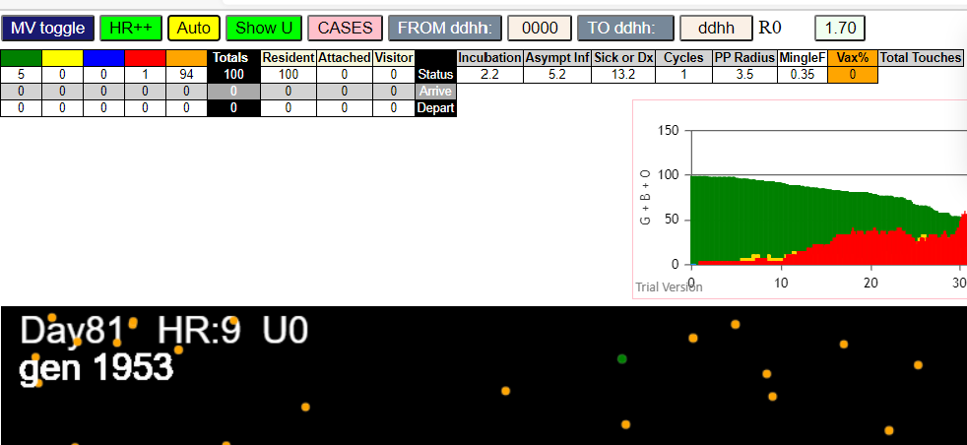
simulationRev2Vax.js:4297 | exit | covidSim
simulationRev2Vax.js:23 | getAsText | File {name: | HundredAgentsU0.csv | lastModified: | 1599797804000 | lastModifiedDate: | Thu | Sep | 10 | 2020 | 21:16:44 | GMT-0700 | (Pacific | Daylight | Time) | webkitRelativePath: |  | size: | 2140 | …}
simulationRev2Vax.js:32 | File {name: | HundredAgentsU0.csv | lastModified: | 1599797804000 | lastModifiedDate: | Thu | Sep | 10 | 2020 | 21:16:44 | GMT-0700 | (Pacific | Daylight | Time) | webkitRelativePath: |  | size: | 2140 | …}
simulationRev2Vax.js:23 | getAsText | File {name: | VL1.csv | lastModified: | 1603760180000 | lastModifiedDate: | Mon | Oct | 26 | 2020 | 17:56:20 | GMT-0700 | (Pacific | Daylight | Time) | webkitRelativePath: |  | size: | 66 | …}
simulationRev2Vax.js:32 | File {name: | VL1.csv | lastModified: | 1603760180000 | lastModifiedDate: | Mon | Oct | 26 | 2020 | 17:56:20 | GMT-0700 | (Pacific | Daylight | Time) | webkitRelativePath: |  | size: | 66 | …}
simulationRev2Vax.js:2133 | 1I | j:famKey | 34:-1 | infected | by | red | i:famKey | 10:-1 | at | gen | 53 | in | Univ0 | prob=0.347
simulationRev2Vax.js:2133 | 2I | j:famKey | 35:-1 | infected | by | blue | i:famKey | 34:-1 | at | gen | 125 | in | Univ0 | prob=0.186
simulationRev2Vax.js:2133 | 3I | j:famKey | 89:-1 | infected | by | red | i:famKey | 10:-1 | at | gen | 131 | in | Univ0 | prob=0.277
simulationRev2Vax.js:2133 | 4I | j:famKey | 28:-1 | infected | by | red | i:famKey | 10:-1 | at | gen | 160 | in | Univ0 | prob=0.036
simulationRev2Vax.js:2150 | 5I | i:famKey | 78:-1 | infected | by | yellow | j:famKey | 89:-1 | at | gen | 180 | in | U0 | prob=0.090
simulationRev2Vax.js:2150 | 6I | i:famKey | 69:-1 | infected | by | blue | j:famKey | 89:-1 | at | gen | 202 | in | U0 | prob=0.300
simulationRev2Vax.js:2150 | 7I | i:famKey | 15:-1 | infected | by | blue | j:famKey | 89:-1 | at | gen | 230 | in | U0 | prob=0.475
simulationRev2Vax.js:2150 | 8I | i:famKey | 61:-1 | infected | by | blue | j:famKey | 89:-1 | at | gen | 249 | in | U0 | prob=0.731
simulationRev2Vax.js:2150 | 9I | i:famKey | 22:-1 | infected | by | blue | j:famKey | 78:-1 | at | gen | 259 | in | U0 | prob=0.198
simulationRev2Vax.js:2133 | 10I | j:famKey | 49:-1 | infected | by | yellow | i:famKey | 22:-1 | at | gen | 268 | in | Univ0 | prob=0.545
simulationRev2Vax.js:2133 | 11I | j:famKey | 68:-1 | infected | by | red | i:famKey | 35:-1 | at | gen | 301 | in | Univ0 | prob=0.363
simulationRev2Vax.js:2133 | 12I | j:famKey | 70:-1 | infected | by | blue | i:famKey | 15:-1 | at | gen | 310 | in | Univ0 | prob=0.548
simulationRev2Vax.js:2133 | 13I | j:famKey | 85:-1 | infected | by | red | i:famKey | 78:-1 | at | gen | 325 | in | Univ0 | prob=0.928
simulationRev2Vax.js:2133 | 14I | j:famKey | 93:-1 | infected | by | blue | i:famKey | 61:-1 | at | gen | 346 | in | Univ0 | prob=0.532
simulationRev2Vax.js:2150 | 15I | i:famKey | 3:-1 | infected | by | red | j:famKey | 28:-1 | at | gen | 368 | in | U0 | prob=0.269
simulationRev2Vax.js:2150 | 16I | i:famKey | 56:-1 | infected | by | red | j:famKey | 78:-1 | at | gen | 383 | in | U0 | prob=0.264
simulationRev2Vax.js:2133 | 17I | j:famKey | 52:-1 | infected | by | red | i:famKey | 28:-1 | at | gen | 408 | in | Univ0 | prob=0.840
simulationRev2Vax.js:2150 | 18I | i:famKey | 76:-1 | infected | by | blue | j:famKey | 93:-1 | at | gen | 428 | in | U0 | prob=0.384
simulationRev2Vax.js:2150 | 19I | i:famKey | 1:-1 | infected | by | blue | j:famKey | 52:-1 | at | gen | 481 | in | U0 | prob=0.911
simulationRev2Vax.js:2150 | 20I | i:famKey | 2:-1 | infected | by | red | j:famKey | 3:-1 | at | gen | 491 | in | U0 | prob=0.291
simulationRev2Vax.js:2133 | 21I | j:famKey | 20:-1 | infected | by | red | i:famKey | 15:-1 | at | gen | 504 | in | Univ0 | prob=0.299
simulationRev2Vax.js:2150 | 22I | i:famKey | 60:-1 | infected | by | blue | j:famKey | 76:-1 | at | gen | 510 | in | U0 | prob=0.754
simulationRev2Vax.js:2150 | 23I | i:famKey | 40:-1 | infected | by | red | j:famKey | 56:-1 | at | gen | 546 | in | U0 | prob=0.889
simulationRev2Vax.js:2133 | 24I | j:famKey | 32:-1 | infected | by | blue | i:famKey | 2:-1 | at | gen | 552 | in | Univ0 | prob=0.561
simulationRev2Vax.js:2150 | 25I | i:famKey | 72:-1 | infected | by | red | j:famKey | 93:-1 | at | gen | 577 | in | U0 | prob=0.329
simulationRev2Vax.js:2133 | 26I | j:famKey | 82:-1 | infected | by | red | i:famKey | 3:-1 | at | gen | 582 | in | Univ0 | prob=0.348
simulationRev2Vax.js:2150 | 26I | i:famKey | 39:-1 | infected | by | blue | j:famKey | 60:-1 | at | gen | 583 | in | U0 | prob=0.755
simulationRev2Vax.js:2150 | 28I | i:famKey | 25:-1 | infected | by | red | j:famKey | 93:-1 | at | gen | 596 | in | U0 | prob=0.257
simulationRev2Vax.js:2133 | 29I | j:famKey | 67:-1 | infected | by | red | i:famKey | 52:-1 | at | gen | 598 | in | Univ0 | prob=0.650
simulationRev2Vax.js:2133 | 30I | j:famKey | 63:-1 | infected | by | blue | i:famKey | 40:-1 | at | gen | 600 | in | Univ0 | prob=0.897
simulationRev2Vax.js:2150 | 30I | i:famKey | 27:-1 | infected | by | red | j:famKey | 56:-1 | at | gen | 601 | in | U0 | prob=0.627
simulationRev2Vax.js:2133 | 32I | j:famKey | 59:-1 | infected | by | blue | i:famKey | 2:-1 | at | gen | 607 | in | Univ0 | prob=0.118
simulationRev2Vax.js:2150 | 33I | i:famKey | 74:-1 | infected | by | red | j:famKey | 76:-1 | at | gen | 616 | in | U0 | prob=0.467
simulationRev2Vax.js:2150 | 34I | i:famKey | 26:-1 | infected | by | blue | j:famKey | 40:-1 | at | gen | 639 | in | U0 | prob=0.224
simulationRev2Vax.js:2150 | 35I | i:famKey | 24:-1 | infected | by | red | j:famKey | 60:-1 | at | gen | 647 | in | U0 | prob=0.361
simulationRev2Vax.js:2150 | 36I | i:famKey | 58:-1 | infected | by | red | j:famKey | 76:-1 | at | gen | 649 | in | U0 | prob=0.111
simulationRev2Vax.js:2133 | 37I | j:famKey | 81:-1 | infected | by | blue | i:famKey | 67:-1 | at | gen | 654 | in | Univ0 | prob=0.805
simulationRev2Vax.js:2133 | 38I | j:famKey | 83:-1 | infected | by | blue | i:famKey | 72:-1 | at | gen | 657 | in | Univ0 | prob=0.115
simulationRev2Vax.js:2150 | 39I | i:famKey | 30:-1 | infected | by | blue | j:famKey | 39:-1 | at | gen | 659 | in | U0 | prob=0.654
simulationRev2Vax.js:2150 | 40I | i:famKey | 21:-1 | infected | by | blue | j:famKey | 82:-1 | at | gen | 668 | in | U0 | prob=0.372
simulationRev2Vax.js:2133 | 41I | j:famKey | 90:-1 | infected | by | red | i:famKey | 1:-1 | at | gen | 670 | in | Univ0 | prob=0.904
simulationRev2Vax.js:2150 | 42I | i:famKey | 37:-1 | infected | by | blue | j:famKey | 39:-1 | at | gen | 698 | in | U0 | prob=0.469
simulationRev2Vax.js:2150 | 43I | i:famKey | 36:-1 | infected | by | yellow | j:famKey | 58:-1 | at | gen | 700 | in | U0 | prob=0.435
simulationRev2Vax.js:2133 | 43I | j:famKey | 66:-1 | infected | by | blue | i:famKey | 63:-1 | at | gen | 701 | in | Univ0 | prob=0.165
simulationRev2Vax.js:2150 | 45I | i:famKey | 0:-1 | infected | by | red | j:famKey | 82:-1 | at | gen | 703 | in | U0 | prob=0.062
simulationRev2Vax.js:2150 | 46I | i:famKey | 6:-1 | infected | by | red | j:famKey | 32:-1 | at | gen | 726 | in | U0 | prob=0.760
simulationRev2Vax.js:2150 | 47I | i:famKey | 5:-1 | infected | by | blue | j:famKey | 30:-1 | at | gen | 741 | in | U0 | prob=0.634
simulationRev2Vax.js:2133 | 48I | j:famKey | 46:-1 | infected | by | blue | i:famKey | 30:-1 | at | gen | 747 | in | Univ0 | prob=0.108
simulationRev2Vax.js:2150 | 49I | i:famKey | 14:-1 | infected | by | blue | j:famKey | 26:-1 | at | gen | 749 | in | U0 | prob=0.806
simulationRev2Vax.js:2150 | 50I | i:famKey | 62:-1 | infected | by | red | j:famKey | 74:-1 | at | gen | 753 | in | U0 | prob=0.797
simulationRev2Vax.js:2133 | 50I | j:famKey | 65:-1 | infected | by | red | i:famKey | 40:-1 | at | gen | 754 | in | Univ0 | prob=0.612
simulationRev2Vax.js:2133 | 52I | j:famKey | 86:-1 | infected | by | blue | i:famKey | 30:-1 | at | gen | 756 | in | Univ0 | prob=0.223
simulationRev2Vax.js:2150 | 52I | i:famKey | 33:-1 | infected | by | blue | j:famKey | 90:-1 | at | gen | 756 | in | U0 | prob=0.122
simulationRev2Vax.js:2133 | 54I | j:famKey | 75:-1 | infected | by | red | i:famKey | 39:-1 | at | gen | 782 | in | Univ0 | prob=0.548
simulationRev2Vax.js:2150 | 54I | i:famKey | 47:-1 | infected | by | red | j:famKey | 74:-1 | at | gen | 783 | in | U0 | prob=0.730
simulationRev2Vax.js:2150 | 56I | i:famKey | 19:-1 | infected | by | blue | j:famKey | 66:-1 | at | gen | 792 | in | U0 | prob=0.513
simulationRev2Vax.js:2133 | 56I | j:famKey | 92:-1 | infected | by | red | i:famKey | 90:-1 | at | gen | 792 | in | Univ0 | prob=0.286
simulationRev2Vax.js:2133 | 58I | j:famKey | 99:-1 | infected | by | red | i:famKey | 26:-1 | at | gen | 795 | in | Univ0 | prob=0.699
simulationRev2Vax.js:2133 | 59I | j:famKey | 64:-1 | infected | by | red | i:famKey | 58:-1 | at | gen | 800 | in | Univ0 | prob=0.917
simulationRev2Vax.js:2150 | 60I | i:famKey | 7:-1 | infected | by | blue | j:famKey | 14:-1 | at | gen | 819 | in | U0 | prob=0.417
simulationRev2Vax.js:2150 | 61I | i:famKey | 11:-1 | infected | by | blue | j:famKey | 62:-1 | at | gen | 830 | in | U0 | prob=0.596
simulationRev2Vax.js:2133 | 61I | j:famKey | 87:-1 | infected | by | red | i:famKey | 81:-1 | at | gen | 831 | in | Univ0 | prob=0.537
simulationRev2Vax.js:2133 | 62I | j:famKey | 45:-1 | infected | by | red | i:famKey | 36:-1 | at | gen | 832 | in | Univ0 | prob=0.482
simulationRev2Vax.js:2133 | 64I | j:famKey | 77:-1 | infected | by | red | i:famKey | 27:-1 | at | gen | 834 | in | Univ0 | prob=0.252
simulationRev2Vax.js:2150 | 65I | i:famKey | 13:-1 | infected | by | red | j:famKey | 26:-1 | at | gen | 838 | in | U0 | prob=0.117
simulationRev2Vax.js:2133 | 66I | j:famKey | 41:-1 | infected | by | red | i:famKey | 36:-1 | at | gen | 851 | in | Univ0 | prob=0.595
simulationRev2Vax.js:2133 | 67I | j:famKey | 43:-1 | infected | by | red | i:famKey | 26:-1 | at | gen | 857 | in | Univ0 | prob=0.507
simulationRev2Vax.js:2150 | 67I | i:famKey | 55:-1 | infected | by | red | j:famKey | 83:-1 | at | gen | 858 | in | U0 | prob=0.861
simulationRev2Vax.js:2133 | 68I | j:famKey | 50:-1 | infected | by | red | i:famKey | 26:-1 | at | gen | 859 | in | Univ0 | prob=0.637
simulationRev2Vax.js:2133 | 70I | j:famKey | 51:-1 | infected | by | blue | i:famKey | 19:-1 | at | gen | 874 | in | Univ0 | prob=0.469
simulationRev2Vax.js:2133 | 71I | j:famKey | 94:-1 | infected | by | blue | i:famKey | 19:-1 | at | gen | 877 | in | Univ0 | prob=0.127
simulationRev2Vax.js:2133 | 72I | j:famKey | 97:-1 | infected | by | red | i:famKey | 74:-1 | at | gen | 901 | in | Univ0 | prob=0.700
simulationRev2Vax.js:2150 | 73I | i:famKey | 23:-1 | infected | by | red | j:famKey | 26:-1 | at | gen | 906 | in | U0 | prob=0.497
simulationRev2Vax.js:2150 | 74I | i:famKey | 4:-1 | infected | by | blue | j:famKey | 64:-1 | at | gen | 909 | in | U0 | prob=0.642
simulationRev2Vax.js:2150 | 75I | i:famKey | 29:-1 | infected | by | red | j:famKey | 90:-1 | at | gen | 930 | in | U0 | prob=0.965
simulationRev2Vax.js:2133 | 76I | j:famKey | 16:-1 | infected | by | blue | i:famKey | 7:-1 | at | gen | 935 | in | Univ0 | prob=0.768
simulationRev2Vax.js:2133 | 77I | j:famKey | 38:-1 | infected | by | red | i:famKey | 0:-1 | at | gen | 947 | in | Univ0 | prob=0.279
simulationRev2Vax.js:2133 | 78I | j:famKey | 79:-1 | infected | by | red | i:famKey | 47:-1 | at | gen | 959 | in | Univ0 | prob=0.431
simulationRev2Vax.js:2150 | 78I | i:famKey | 54:-1 | infected | by | red | j:famKey | 77:-1 | at | gen | 959 | in | U0 | prob=0.809
simulationRev2Vax.js:2150 | 80I | i:famKey | 12:-1 | infected | by | red | j:famKey | 47:-1 | at | gen | 978 | in | U0 | prob=0.922
simulationRev2Vax.js:2133 | 80I | j:famKey | 73:-1 | infected | by | blue | i:famKey | 50:-1 | at | gen | 979 | in | Univ0 | prob=0.830
simulationRev2Vax.js:2133 | 82I | j:famKey | 53:-1 | infected | by | blue | i:famKey | 16:-1 | at | gen | 988 | in | Univ0 | prob=0.099
simulationRev2Vax.js:2150 | 83I | i:famKey | 18:-1 | infected | by | red | j:famKey | 46:-1 | at | gen | 1001 | in | U0 | prob=0.435
simulationRev2Vax.js:2133 | 84I | j:famKey | 57:-1 | infected | by | blue | i:famKey | 29:-1 | at | gen | 1003 | in | Univ0 | prob=0.742
simulationRev2Vax.js:2150 | 85I | i:famKey | 42:-1 | infected | by | red | j:famKey | 65:-1 | at | gen | 1026 | in | U0 | prob=0.040
simulationRev2Vax.js:2133 | 86I | j:famKey | 98:-1 | infected | by | red | i:famKey | 64:-1 | at | gen | 1069 | in | Univ0 | prob=0.534
simulationRev2Vax.js:2150 | 87I | i:famKey | 44:-1 | infected | by | red | j:famKey | 99:-1 | at | gen | 1076 | in | U0 | prob=0.253
simulationRev2Vax.js:2133 | 87I | j:famKey | 80:-1 | infected | by | blue | i:famKey | 42:-1 | at | gen | 1077 | in | Univ0 | prob=0.933
simulationRev2Vax.js:2133 | 89I | j:famKey | 91:-1 | infected | by | blue | i:famKey | 42:-1 | at | gen | 1106 | in | Univ0 | prob=0.045
simulationRev2Vax.js:2133 | 90I | j:famKey | 71:-1 | infected | by | red | i:famKey | 12:-1 | at | gen | 1247 | in | Univ0 | prob=0.455
simulationRev2Vax.js:2150 | 91I | i:famKey | 8:-1 | infected | by | blue | j:famKey | 71:-1 | at | gen | 1322 | in | U0 | prob=0.311
simulationRev2Vax.js:2133 | 92I | j:famKey | 17:-1 | infected | by | blue | i:famKey | 8:-1 | at | gen | 1412 | in | Univ0 | prob=0.156
simulationRev2Vax.js:2133 | 93I | j:famKey | 84:-1 | infected | by | blue | i:famKey | 17:-1 | at | gen | 1510 | in | Univ0 | prob=0.423
simulationRev2Vax.js:2150 | 94I | i:famKey | 9:-1 | infected | by | red | j:famKey | 84:-1 | at | gen | 1666 | in | U0 | prob=0.691

mode1-2
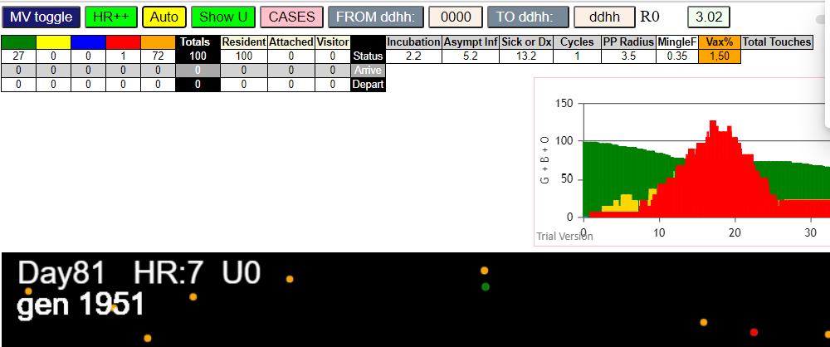
simulationRev2Vax.js:4297 | exit | covidSim
simulationRev2Vax.js:23 | getAsText | File {name: | HundredAgentsU0.csv | lastModified: | 1599797804000 | lastModifiedDate: | Thu | Sep | 10 | 2020 | 21:16:44 | GMT-0700 | (Pacific | Daylight | Time) | webkitRelativePath: |  | size: | 2140 | …}
simulationRev2Vax.js:32 | File {name: | HundredAgentsU0.csv | lastModified: | 1599797804000 | lastModifiedDate: | Thu | Sep | 10 | 2020 | 21:16:44 | GMT-0700 | (Pacific | Daylight | Time) | webkitRelativePath: |  | size: | 2140 | …}
simulationRev2Vax.js:23 | getAsText | File {name: | VL1.csv | lastModified: | 1603760180000 | lastModifiedDate: | Mon | Oct | 26 | 2020 | 17:56:20 | GMT-0700 | (Pacific | Daylight | Time) | webkitRelativePath: |  | size: | 66 | …}
simulationRev2Vax.js:32 | File {name: | VL1.csv | lastModified: | 1603760180000 | lastModifiedDate: | Mon | Oct | 26 | 2020 | 17:56:20 | GMT-0700 | (Pacific | Daylight | Time) | webkitRelativePath: |  | size: | 66 | …}
simulationRev2Vax.js:1674 | (100) [0 | 1 | 2 | 3 | 4 | 5 | 6 | 7 | 8 | 9 | 10 | 11 | 12 | 13 | 14 | 15 | 16 | 17 | 18 | 19 | 20 | 21 | 22 | 23 | 24 | 25 | 26 | 27 | 28 | 29 | 30 | 31 | 32 | 33 | 34 | 35 | 36 | 37 | 38 | 39 | 40 | 41 | 42 | 43 | 44 | 45 | 46 | 47 | 48 | 49 | 50 | 51 | 52 | 53 | 54 | 55 | 56 | 57 | 58 | 59 | 60 | 61 | 62 | 63 | 64 | 65 | 66 | 67 | 68 | 69 | 70 | 71 | 72 | 73 | 74 | 75 | 76 | 77 | 78 | 79 | 80 | 81 | 82 | 83 | 84 | 85 | 86 | 87 | 88 | 89 | 90 | 91 | 92 | 93 | 94 | 95 | 96 | 97 | 98 | 99]
simulationRev2Vax.js:1684 | (99) [0 | 1 | 2 | 3 | 4 | 5 | 6 | 7 | 8 | 9 | 11 | 12 | 13 | 14 | 15 | 16 | 17 | 18 | 19 | 20 | 21 | 22 | 23 | 24 | 25 | 26 | 27 | 28 | 29 | 30 | 31 | 32 | 33 | 34 | 35 | 36 | 37 | 38 | 39 | 40 | 41 | 42 | 43 | 44 | 45 | 46 | 47 | 48 | 49 | 50 | 51 | 52 | 53 | 54 | 55 | 56 | 57 | 58 | 59 | 60 | 61 | 62 | 63 | 64 | 65 | 66 | 67 | 68 | 69 | 70 | 71 | 72 | 73 | 74 | 75 | 76 | 77 | 78 | 79 | 80 | 81 | 82 | 83 | 84 | 85 | 86 | 87 | 88 | 89 | 90 | 91 | 92 | 93 | 94 | 95 | 96 | 97 | 98 | 99]
simulationRev2Vax.js:1712 | Vaccination | list | = | 49
simulationRev2Vax.js:1726 | vaccinated | 31 | 98 | 86 | 26 | 89 | 47 | 94 | 56 | 5 | 88 | 60 | 63 | 85 | 37 | 44 | 45 | 33 | 92 | 53 | 70 | 97 | 8 | 20 | 46 | 49 | 58 | 67 | 81 | 38 | 23 | 0 | 54 | 39 | 6 | 77 | 55 | 29 | 30 | 42 | 68 | 2 | 28 | 15 | 7 | 82 | 13 | 22 | 84 | 41
simulationRev2Vax.js:2133 | 1I | j:famKey | 98:-1 | infected | by | red | i:famKey | 10:-1 | at | gen | 51 | in | Univ0 | prob=0.620
simulationRev2Vax.js:2133 | 2I | j:famKey | 80:-1 | infected | by | red | i:famKey | 10:-1 | at | gen | 58 | in | Univ0 | prob=0.151
simulationRev2Vax.js:2133 | 3I | j:famKey | 77:-1 | infected | by | red | i:famKey | 10:-1 | at | gen | 94 | in | Univ0 | prob=0.270
simulationRev2Vax.js:2133 | 4I | j:famKey | 13:-1 | infected | by | red | i:famKey | 10:-1 | at | gen | 100 | in | Univ0 | prob=0.692
simulationRev2Vax.js:2150 | 5I | i:famKey | 32:-1 | infected | by | blue | j:famKey | 80:-1 | at | gen | 117 | in | U0 | prob=0.251
simulationRev2Vax.js:2133 | 5I | j:famKey | 14:-1 | infected | by | red | i:famKey | 10:-1 | at | gen | 118 | in | Univ0 | prob=0.688
simulationRev2Vax.js:2150 | 7I | i:famKey | 42:-1 | infected | by | blue | j:famKey | 77:-1 | at | gen | 144 | in | U0 | prob=0.502
simulationRev2Vax.js:2150 | 8I | i:famKey | 83:-1 | infected | by | red | j:famKey | 98:-1 | at | gen | 175 | in | U0 | prob=0.872
simulationRev2Vax.js:2133 | 9I | j:famKey | 50:-1 | infected | by | blue | i:famKey | 13:-1 | at | gen | 177 | in | Univ0 | prob=0.590
simulationRev2Vax.js:2133 | 10I | j:famKey | 78:-1 | infected | by | blue | i:famKey | 13:-1 | at | gen | 196 | in | Univ0 | prob=0.669
simulationRev2Vax.js:2150 | 11I | i:famKey | 6:-1 | infected | by | blue | j:famKey | 13:-1 | at | gen | 206 | in | U0 | prob=0.447
simulationRev2Vax.js:2133 | 11I | j:famKey | 92:-1 | infected | by | blue | i:famKey | 14:-1 | at | gen | 207 | in | Univ0 | prob=0.584
simulationRev2Vax.js:2133 | 13I | j:famKey | 79:-1 | infected | by | red | i:famKey | 13:-1 | at | gen | 234 | in | Univ0 | prob=0.625
simulationRev2Vax.js:2133 | 13I | j:famKey | 66:-1 | infected | by | blue | i:famKey | 42:-1 | at | gen | 235 | in | Univ0 | prob=0.519
simulationRev2Vax.js:2150 | 15I | i:famKey | 25:-1 | infected | by | yellow | j:famKey | 79:-1 | at | gen | 237 | in | U0 | prob=0.573
simulationRev2Vax.js:2150 | 16I | i:famKey | 12:-1 | infected | by | blue | j:famKey | 78:-1 | at | gen | 261 | in | U0 | prob=0.437
simulationRev2Vax.js:2150 | 17I | i:famKey | 27:-1 | infected | by | red | j:famKey | 80:-1 | at | gen | 266 | in | U0 | prob=0.956
simulationRev2Vax.js:2150 | 18I | i:famKey | 0:-1 | infected | by | red | j:famKey | 13:-1 | at | gen | 276 | in | U0 | prob=0.905
simulationRev2Vax.js:2150 | 19I | i:famKey | 23:-1 | infected | by | yellow | j:famKey | 66:-1 | at | gen | 284 | in | U0 | prob=0.822
simulationRev2Vax.js:2133 | 19I | j:famKey | 71:-1 | infected | by | blue | i:famKey | 50:-1 | at | gen | 284 | in | Univ0 | prob=0.899
simulationRev2Vax.js:2133 | 21I | j:famKey | 96:-1 | infected | by | red | i:famKey | 83:-1 | at | gen | 293 | in | Univ0 | prob=0.308
simulationRev2Vax.js:2150 | 22I | i:famKey | 22:-1 | infected | by | red | j:famKey | 77:-1 | at | gen | 325 | in | U0 | prob=0.360
simulationRev2Vax.js:2150 | 23I | i:famKey | 33:-1 | infected | by | red | j:famKey | 80:-1 | at | gen | 335 | in | U0 | prob=0.956
simulationRev2Vax.js:2133 | 24I | j:famKey | 56:-1 | infected | by | red | i:famKey | 27:-1 | at | gen | 481 | in | Univ0 | prob=0.855
simulationRev2Vax.js:2133 | 25I | j:famKey | 31:-1 | infected | by | red | i:famKey | 22:-1 | at | gen | 502 | in | Univ0 | prob=0.835
simulationRev2Vax.js:2133 | 26I | j:famKey | 87:-1 | infected | by | red | i:famKey | 33:-1 | at | gen | 522 | in | Univ0 | prob=0.972
simulationRev2Vax.js:2150 | 27I | i:famKey | 29:-1 | infected | by | red | j:famKey | 56:-1 | at | gen | 668 | in | U0 | prob=0.851
simulationRev2Vax.js:2150 | 27I | i:famKey | 69:-1 | infected | by | red | j:famKey | 87:-1 | at | gen | 668 | in | U0 | prob=0.825
simulationRev2Vax.js:2150 | 29I | i:famKey | 16:-1 | infected | by | red | j:famKey | 87:-1 | at | gen | 701 | in | U0 | prob=0.919
simulationRev2Vax.js:2150 | 30I | i:famKey | 26:-1 | infected | by | red | j:famKey | 31:-1 | at | gen | 724 | in | U0 | prob=0.913
simulationRev2Vax.js:2150 | 31I | i:famKey | 17:-1 | infected | by | red | j:famKey | 87:-1 | at | gen | 735 | in | U0 | prob=0.893
simulationRev2Vax.js:2150 | 32I | i:famKey | 58:-1 | infected | by | blue | j:famKey | 69:-1 | at | gen | 767 | in | U0 | prob=0.857
simulationRev2Vax.js:2150 | 33I | i:famKey | 57:-1 | infected | by | blue | j:famKey | 69:-1 | at | gen | 776 | in | U0 | prob=0.860
simulationRev2Vax.js:2150 | 34I | i:famKey | 62:-1 | infected | by | red | j:famKey | 87:-1 | at | gen | 798 | in | U0 | prob=0.797
simulationRev2Vax.js:2150 | 35I | i:famKey | 4:-1 | infected | by | red | j:famKey | 69:-1 | at | gen | 806 | in | U0 | prob=0.896
simulationRev2Vax.js:2150 | 36I | i:famKey | 45:-1 | infected | by | blue | j:famKey | 58:-1 | at | gen | 852 | in | U0 | prob=0.964
simulationRev2Vax.js:2150 | 37I | i:famKey | 51:-1 | infected | by | blue | j:famKey | 62:-1 | at | gen | 889 | in | U0 | prob=0.792
simulationRev2Vax.js:2150 | 38I | i:famKey | 38:-1 | infected | by | blue | j:famKey | 45:-1 | at | gen | 915 | in | U0 | prob=0.824
simulationRev2Vax.js:2133 | 39I | j:famKey | 93:-1 | infected | by | red | i:famKey | 57:-1 | at | gen | 935 | in | Univ0 | prob=0.870
simulationRev2Vax.js:2133 | 40I | j:famKey | 48:-1 | infected | by | red | i:famKey | 17:-1 | at | gen | 945 | in | Univ0 | prob=0.984
...
simulationRev2Vax.js:4297 | exit | covidSim
simulationRev2Vax.js:2150 | 66I | i:famKey | 5:-1 | infected | by | red | j:famKey | 99:-1 | at | gen | 1492 | in | U0
simulationRev2Vax.js:2150 | 67I | i:famKey | 2:-1 | infected | by | red | j:famKey | 94:-1 | at | gen | 1499 | in | U0
simulationRev2Vax.js:2150 | 68I | i:famKey | 24:-1 | infected | by | red | j:famKey | 94:-1 | at | gen | 1503 | in | U0
simulationRev2Vax.js:2133 | 69I | j:famKey | 19:-1 | infected | by | blue | i:famKey | 2:-1 | at | gen | 1551 | in | Univ0
simulationRev2Vax.js:2133 | 70I | j:famKey | 20:-1 | infected | by | blue | i:famKey | 19:-1 | at | gen | 1617 | in | Univ0
simulationRev2Vax.js:2133 | 71I | j:famKey | 90:-1 | infected | by | red | i:famKey | 2:-1 | at | gen | 1635 | in | Univ0
simulationRev2Vax.js:2150 | 72I | i:famKey | 72:-1 | infected | by | red | j:famKey | 94:-1 | at | gen | 1643 | in | U0

mode2-2
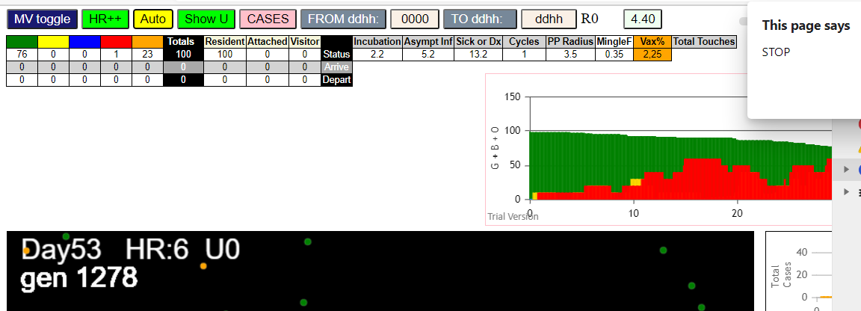
...
simulationRev2Vax.js:4297 | exit | covidSim
simulationRev2Vax.js:2133 | 21I | j:famKey | 92:-1 | infected | by | red | i:famKey | 2:-1 | at | gen | 421 | in | Univ0 | prob=0.922
simulationRev2Vax.js:2150 | 22I | i:famKey | 21:-1 | infected | by | blue | j:famKey | 53:-1 | at | gen | 427 | in | U0 | prob=0.986
simulationRev2Vax.js:2133 | 23I | j:famKey | 82:-1 | infected | by | blue | i:famKey | 4:-1 | at | gen | 431 | in | Univ0 | prob=0.970
simulationRev2Vax.js:2133 | 24I | j:famKey | 40:-1 | infected | by | blue | i:famKey | 4:-1 | at | gen | 438 | in | Univ0 | prob=0.752
simulationRev2Vax.js:2150 | 25I | i:famKey | 48:-1 | infected | by | red | j:famKey | 63:-1 | at | gen | 580 | in | U0 | prob=0.976
simulationRev2Vax.js:2133 | 26I | j:famKey | 96:-1 | infected | by | blue | i:famKey | 48:-1 | at | gen | 674 | in | Univ0 | prob=0.869
simulationRev2Vax.js:2150 | 27I | i:famKey | 23:-1 | infected | by | red | j:famKey | 92:-1 | at | gen | 676 | in | U0 | prob=0.042

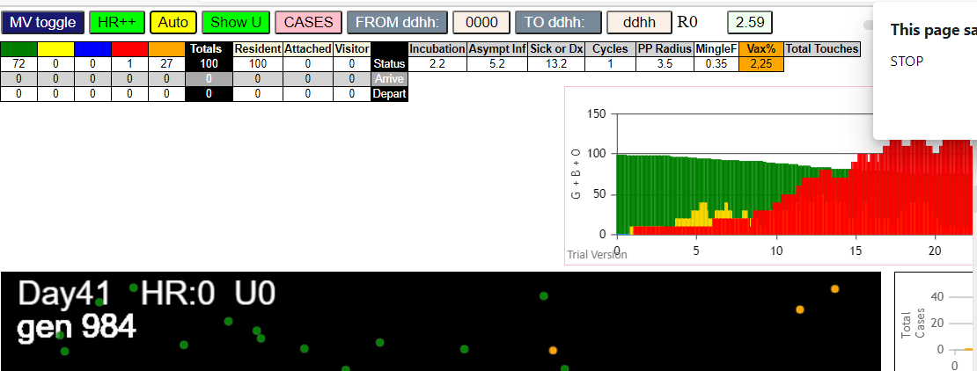

simulationRev2Vax.js:4297 | exit | covidSim
simulationRev2Vax.js:23 | getAsText | File {name: | HundredAgentsU0.csv | lastModified: | 1599797804000 | lastModifiedDate: | Thu | Sep | 10 | 2020 | 21:16:44 | GMT-0700 | (Pacific | Daylight
simulationRev2Vax.js:32 | File {name: | HundredAgentsU0.csv | lastModified: | 1599797804000 | lastModifiedDate: | Thu | Sep | 10 | 2020 | 21:16:44 | GMT-0700 | (Pacific | Daylight | Time)
simulationRev2Vax.js:23 | getAsText | File {name: | VL1.csv | lastModified: | 1603760180000 | lastModifiedDate: | Mon | Oct | 26 | 2020 | 17:56:20 | GMT-0700 | (Pacific | Daylight
simulationRev2Vax.js:32 | File {name: | VL1.csv | lastModified: | 1603760180000 | lastModifiedDate: | Mon | Oct | 26 | 2020 | 17:56:20 | GMT-0700 | (Pacific | Daylight | Time)
simulationRev2Vax.js:2133 | 0I | j:famKey | 49:-1 | infected | by | green | i:famKey | 10:-1 | at | gen | 0 | in | Univ0 | prob=0.767
simulationRev2Vax.js:1674 | (100) [0 | 1 | 2 | 3 | 4 | 5 | 6 | 7 | 8 | 9 | 10 | 11 | 12 | 13
...
simulationRev2Vax.js:2133 | 39I | j:famKey | 52:-1 | infected | by | red | i:famKey | 13:-1 | at | gen | 674 | in | Univ0 | prob=0.809
simulationRev2Vax.js:2133 | 40I | j:famKey | 93:-1 | infected | by | red | i:famKey | 90:-1 | at | gen | 686 | in | Univ0 | prob=0.235
simulationRev2Vax.js:2150 | 40I | i:famKey | 38:-1 | infected | by | red | j:famKey | 79:-1 | at | gen | 687 | in | U0 | prob=0.466
simulationRev2Vax.js:2133 | 42I | j:famKey | 77:-1 | infected | by | blue | i:famKey | 2:-1 | at | gen | 695 | in | Univ0 | prob=0.939
simulationRev2Vax.js:2150 | 43I | i:famKey | 30:-1 | infected | by | red | j:famKey | 64:-1 | at | gen | 782 | in | U0 | prob=0.956
simulationRev2Vax.js:2150 | 43I | i:famKey | 48:-1 | infected | by | red | j:famKey | 64:-1 | at | gen | 783 | in | U0 | prob=0.986
simulationRev2Vax.js:2150 | 45I | i:famKey | 18:-1 | infected | by | red | j:famKey | 30:-1 | at | gen | 942 | in | U0 | prob=0.966

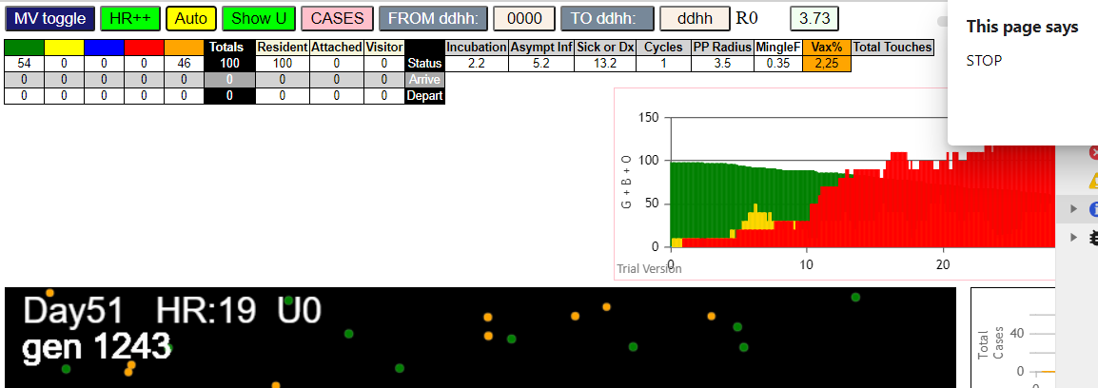

simulationRev2Vax.js:4297 | exit | covidSim
simulationRev2Vax.js:23 | getAsText | File {name: | HundredAgentsU0.csv | lastModified: | 1599797804000 | lastModifiedDate: | Thu | Sep | 10 | 2020 | 21:16:44 | GMT-0700 | (Pacific | Daylight
simulationRev2Vax.js:32 | File {name: | HundredAgentsU0.csv | lastModified: | 1599797804000 | lastModifiedDate: | Thu | Sep | 10 | 2020 | 21:16:44 | GMT-0700 | (Pacific | Daylight | Time)
simulationRev2Vax.js:23 | getAsText | File {name: | VL1.csv | lastModified: | 1603760180000 | lastModifiedDate: | Mon | Oct | 26 | 2020 | 17:56:20 | GMT-0700 | (Pacific | Daylight
simulationRev2Vax.js:32 | File {name: | VL1.csv | lastModified: | 1603760180000 | lastModifiedDate: | Mon | Oct | 26 | 2020 | 17:56:20 | GMT-0700 | (Pacific | Daylight | Time)
...
simulationRev2Vax.js:2150 | 17I | i:famKey | 31:-1 | infected | by | red | j:famKey | 99:-1 | at | gen | 614 | in | U0 | prob=0.761
simulationRev2Vax.js:2133 | 18I | j:famKey | 54:-1 | infected | by | blue | i:famKey | 32:-1 | at | gen | 641 | in | Univ0 | prob=0.764
simulationRev2Vax.js:2133 | 18I | j:famKey | 97:-1 | infected | by | blue | i:famKey | 32:-1 | at | gen | 642 | in | Univ0 | prob=0.762
simulationRev2Vax.js:2150 | 20I | i:famKey | 0:-1 | infected | by | red | j:famKey | 83:-1 | at | gen | 663 | in | U0 | prob=0.910
simulationRev2Vax.js:2150 | 21I | i:famKey | 49:-1 | infected | by | red | j:famKey | 55:-1 | at | gen | 675 | in | U0 | prob=0.965
simulationRev2Vax.js:2133 | 22I | j:famKey | 66:-1 | infected | by | red | i:famKey | 2:-1 | at | gen | 692 | in | Univ0 | prob=0.870
simulationRev2Vax.js:2150 | 23I | i:famKey | 20:-1 | infected | by | red | j:famKey | 66:-1 | at | gen | 968 | in | U0 | prob=0.972

Sheet9
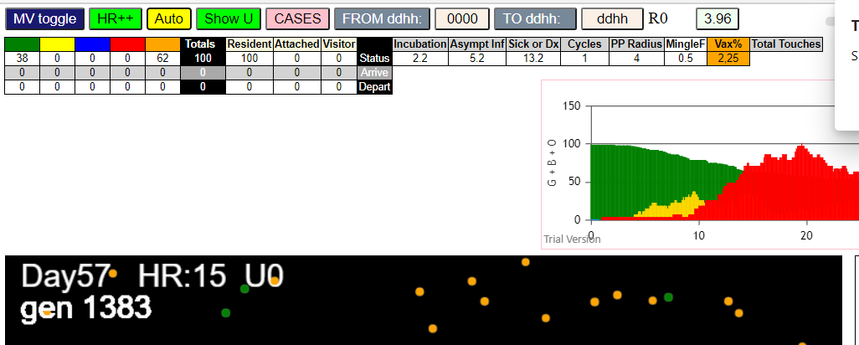
...
simulationRev2Vax.js:4297 | exit | covidSim
simulationRev2Vax.js:2133 | 54I | j:famKey | 90:-1 | infected | by | blue | i:famKey | 65:-1 | at | gen | 688 | in | Univ0
simulationRev2Vax.js:2150 | 56I | i:famKey | 19:-1 | infected | by | red | j:famKey | 57:-1 | at | gen | 691 | in | U0
simulationRev2Vax.js:2133 | 56I | j:famKey | 95:-1 | infected | by | blue | i:famKey | 58:-1 | at | gen | 692 | in | Univ0
simulationRev2Vax.js:2133 | 58I | j:famKey | 41:-1 | infected | by | red | i:famKey | 29:-1 | at | gen | 694 | in | Univ0
simulationRev2Vax.js:2150 | 59I | i:famKey | 75:-1 | infected | by | blue | j:famKey | 90:-1 | at | gen | 781 | in | U0
simulationRev2Vax.js:2150 | 60I | i:famKey | 36:-1 | infected | by | red | j:famKey | 75:-1 | at | gen | 1007 | in | U0
simulationRev2Vax.js:2150 | 61I | i:famKey | 25:-1 | infected | by | blue | j:famKey | 36:-1 | at | gen | 1094 | in | U0

